Instruction
Assessment Name | Security Certification and Accreditation Assessment
Assessment Number | 7.0_V2
Template Name | State of Oklahoma Security Assessmentv7.0_V2
Organization Name | State of Oklahoma - OMES IS Cybercommand
Purpose | The purpose of the assessment is for the State of Oklahoma to Identify and manage any risk stemming from our business partnerships. All suppliers offering IT related services and/or products are required to complete this assessment prior to issuance of an Authority to Operate (AOO). This assessment is designed to allow us to gain a better understanding of our supplier’s internal security posture, along with the product, service, and/or solution being offered. Our tools, platforms, and procedures should have no bearing on the enterprise security controls of the suppliers. The State wants to ensure the vendor's overall environment and security protocols will meet the State's minimum-security requirements.
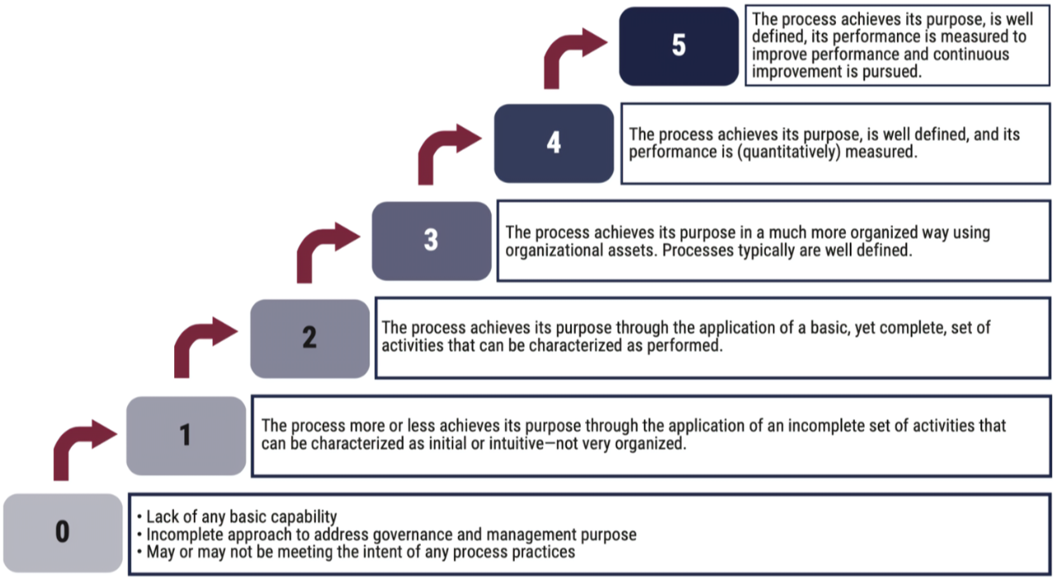
Maturity level

