Notes
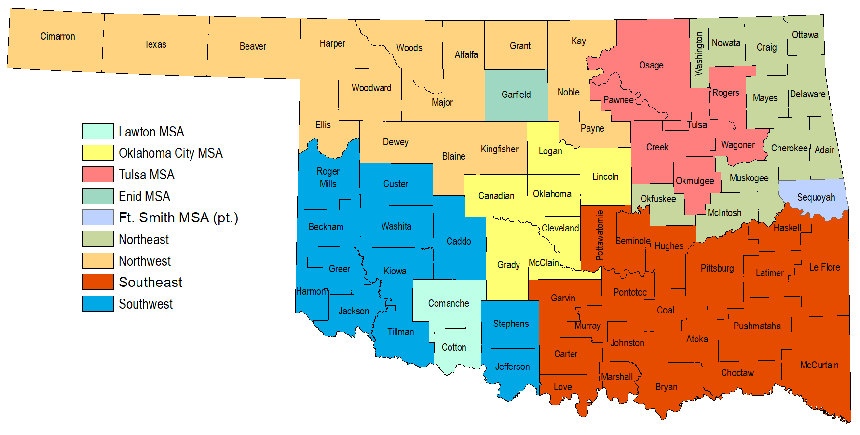
OKLAHOMA OCCUPATIONAL EMPLOYMENT AND WAGE STATISTICS (OEWS) MAY 2025
This OEWS Excel file includes employment and wage estimates from Occupational Employment and Wage Statistics (OEWS) program for Oklahoma Statewide, Oklahoma Metropolitan Statistical Areas (MSA), and Balance of State areas. You can easily access the data by using Autofilter. Just click on the Autofilter arrows and select the specific area(s) and/or occupation(s) that you want to customize your data. For more information about the data, go to https://www.bls.gov/oes/. For more information regarding Autofilter, go to Excel Help Filtering and sorting, and select Quick start: Filtering data by using an AutoFilter.
You can click this link for further assistance via email.

Notes:
* = indicates that a wage estimate is not available
** = indicates that an employment estimate is not available
# = indicates a wage equal to or greater than $115.00 per hour or $239,200 per year
~ =indicates that the percent of establishments reporting the occupation is less than 0.5%

Oklahoma Metropolitan Statistical Areas and Nonmetropolitan Areas

