Capital Costs
Capital Costs (Undiscounted, $2021)
 |  |  |  |  | design |  | construction
Years of Construction |  |  |  |  | 1 | 2 | 3 | 4 | 5 | 6
Year of Operation |  |  |  |  |  |  |  |  |  |  | 1 | 2 | 3 | 4 | 5 | 6 | 7 | 8 | 9 | 10 | 11 | 12 | 13 | 14 | 15 | 16 | 17 | 18 | 19 | 20 | 21 | 22 | 23 | 24 | 25
 | 2022 dollar value | 2021 dollar value | 2022 | 2023 | 2024 | 2025 | 2026 | 2027 | 2028 | 2029 | 2030 | 2031 | 2032 | 2033 | 2034 | 2035 | 2036 | 2037 | 2038 | 2039 | 2040 | 2041 | 2042 | 2043 | 2044 | 2045 | 2046 | 2047 | 2048 | 2049 | 2050 | 2051 | 2052 | 2053 | 2054

2020 $s

Build
Vehicular Bridge and Approach Roads | $142,558,223 | $115,759,652 |  |  | $5,787,983 | $5,787,983 | $26,045,922 | $26,045,922 | $26,045,922 | $26,045,922
Pedestrian/Bike Improvements | $17,641,910 | $12,892,972 |  |  | $716,276 | $716,276 | $3,223,243 | $3,223,243 | $3,223,243 | $3,223,243

Residual Value Vehicular (50-year useful life for bridges/improvements) |  |  |  |  |  |  |  |  |  |  |  |  |  |  |  |  |  |  |  |  |  |  |  |  |  |  |  |  |  |  |  |  |  |  | $52,091,843
Residual Value Bike and Ped |  |  |  |  |  |  |  |  |  |  |  |  |  |  |  |  |  |  |  |  |  |  |  |  |  |  |  |  |  |  |  |  |  |  | $6,446,486

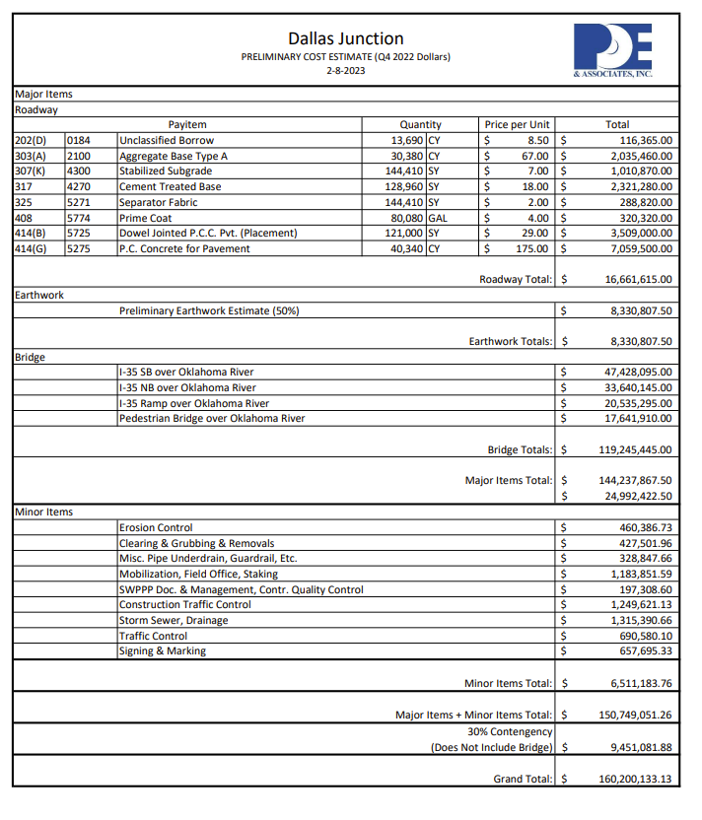

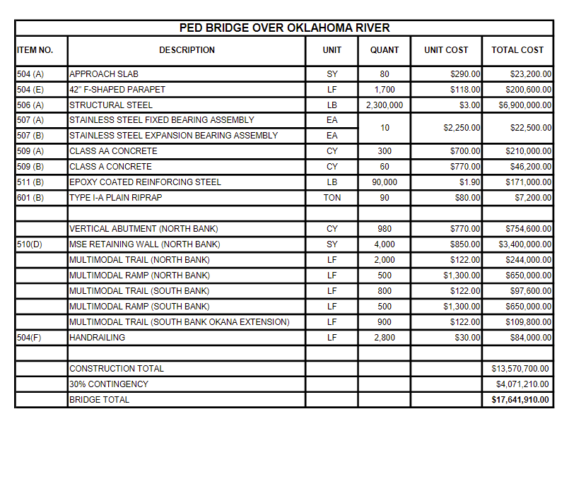

Travel Time Savings - Hours
VHT and PHT Savings

Year of Operation |  |  |  |  |  |  |  |  |  |  |  |  | 1 | 2 | 3 | 4 | 5 | 6 | 7 | 8 | 9 | 10 | 11 | 12 | 13 | 14 | 15 | 16 | 17 | 18 | 19 | 20 | 21 | 22 | 23 | 24 | 25
 |  |  |  |  |  |  |  |  |  |  |  |  | 2030 | 2031 | 2032 | 2033 | 2034 | 2035 | 2036 | 2037 | 2038 | 2039 | 2040 | 2041 | 2042 | 2043 | 2044 | 2045 | 2046 | 2047 | 2048 | 2049 | 2050 | 2051 | 2052 | 2053 | 2054

Annual PHT/VHT savings
auto PHT | 5,074,527 |  |  |  |  |  |  |  |  |  |  |  | 187,784 | 191,368 | 195,019 | 198,741 | 202,533 | 206,398 | 210,336 | 214,350 | 218,440 | 222,608 | 226,856 | 231,185 | 235,596 | 240,092 | 244,673 | 249,342 | 254,100 | 258,949 | 263,890 | 268,925 | 274,057 | 279,286 | 284,616 | 290,047 | 295,581
truck | 212,705 |  |  |  |  |  |  |  |  |  |  |  | 7,871 | 8,021 | 8,174 | 8,330 | 8,489 | 8,651 | 8,816 | 8,985 | 9,156 | 9,331 | 9,509 | 9,690 | 9,875 | 10,064 | 10,256 | 10,451 | 10,651 | 10,854 | 11,061 | 11,272 | 11,487 | 11,707 | 11,930 | 12,158 | 12,390

AADT - Current and Forecast (I-35)
 |  | Daily | AM |  |  | Daily | PM
 |  | NB Daily | AM NB peak | SB Daily | AM SB peak | NB Daily | PM NB peak | SB Daily | PM SB peak | peak trip time No Build | peak trip time Build | time savings per trip (minutes)

2022 AADT | autos | 64,384 | 4,024 | 59,670 | 3,729 | 64,384 | 4,024 | 59,670 | 3,729 |  |  |  |  |  | 59670
 | trucks | 4,846 | 282 | 4,177 | 261 | 4,846 | 282 | 4,177 | 261
2030 AADT | autos | 74,894 | 4,681 | 69,411 | 4,338 | 74,894 | 4,681 | 69,411 | 4,338 | 3.4286 | 2.1818 | 1.247
 | trucks | 5,243 | 328 | 4,859 | 304 | 5,243 | 328 | 4,859 | 304 |  |  |  |  | 1.019081786
2040 AADT | autos | 90,500 | 5,656 | 78,000 | 4,875 | 90,500 | 5,656 | 78,000 | 4,875 | 4.0000 | 2.1818 | 1.818 |  |  |  |  |  |  | `
 | trucks | 6,812 | 396 | 5,460 | 341 | 6,812 | 396 | 5,460 | 341
 |  |  |  |  |  |  |  |  |  |  |  |  |  | `
truck share | 7.00%

