Emergency Response
Emergency Response
 | 2025 | 2026 | 2027 | 2028 | 2029 | 2030 | 2031 | 2032 | 2033 | 2034 | 2035 | 2036 | 2037 | 2038 | 2039 | 2040 | 2041 | 2042 | 2043 | 2044 | 2045 | 2046 | 2047 | 2048 | 2049
Emergency Vehicle Trips Delayed per Year | 115 | 115 | 115 | 115 | 115 | 115 | 115 | 115 | 115 | 115 | 115 | 115 | 115 | 115 | 115 | 115 | 115 | 115 | 115 | 115 | 115 | 115 | 115 | 115 | 115
Percent of Emergency Vehicles in Life Critical Situation | 0.01 | 0.01 | 0.01 | 0.01 | 0.01 | 0.01 | 0.01 | 0.01 | 0.01 | 0.01 | 0.01 | 0.01 | 0.01 | 0.01 | 0.01 | 0.01 | 0.01 | 0.01 | 0.01 | 0.01 | 0.01 | 0.01 | 0.01 | 0.01 | 0.01
Average Delay Time per Vehicle (minutes) | 2 | 2 | 2 | 2 | 2 | 2 | 2 | 2 | 2 | 2 | 2 | 2 | 2 | 2 | 2 | 2 | 2 | 2 | 2 | 2 | 2 | 2 | 2 | 2 | 2
Survival Probability without detour | 0.1107 | 0.1107 | 0.1107 | 0.1107 | 0.1107 | 0.1107 | 0.1107 | 0.1107 | 0.1107 | 0.1107 | 0.1107 | 0.1107 | 0.1107 | 0.1107 | 0.1107 | 0.1107 | 0.1107 | 0.1107 | 0.1107 | 0.1107 | 0.1107 | 0.1107 | 0.1107 | 0.1107 | 0.1107
% reduction in survival probability from detour | 6.0% | 6.0% | 6.0% | 6.0% | 6.0% | 6.0% | 6.0% | 6.0% | 6.0% | 6.0% | 6.0% | 6.0% | 6.0% | 6.0% | 6.0% | 6.0% | 6.0% | 6.0% | 6.0% | 6.0% | 6.0% | 6.0% | 6.0% | 6.0% | 6.0%
Survival Probability with detour | 0.10406 | 0.10406 | 0.10406 | 0.10406 | 0.10406 | 0.10406 | 0.10406 | 0.10406 | 0.10406 | 0.10406 | 0.10406 | 0.10406 | 0.10406 | 0.10406 | 0.10406 | 0.10406 | 0.10406 | 0.10406 | 0.10406 | 0.10406 | 0.10406 | 0.10406 | 0.10406 | 0.10406 | 0.10406
Change in Survival Probability per Delayed Trip | 0.00664 | 0.00664 | 0.00664 | 0.00664 | 0.00664 | 0.00664 | 0.00664 | 0.00664 | 0.00664 | 0.00664 | 0.00664 | 0.00664 | 0.00664 | 0.00664 | 0.00664 | 0.00664 | 0.00664 | 0.00664 | 0.00664 | 0.00664 | 0.00664 | 0.00664 | 0.00664 | 0.00664 | 0.00664
Economic Cost Based on Survival Rate | $88,604 | $88,604 | $88,604 | $88,604 | $88,604 | $88,604 | $88,604 | $88,604 | $88,604 | $88,604 | $88,604 | $88,604 | $88,604 | $88,604 | $88,604 | $88,604 | $88,604 | $88,604 | $88,604 | $88,604 | $88,604 | $88,604 | $88,604 | $88,604 | $88,604

Emergency trips x % life threatening x change in survival probability

https://files.hudexchange.info/course-content/ndrc-nofa-benefit-cost-analysis-data-resources-and-expert-tips-webinar/FEMA-BCAR-Resource.pdf
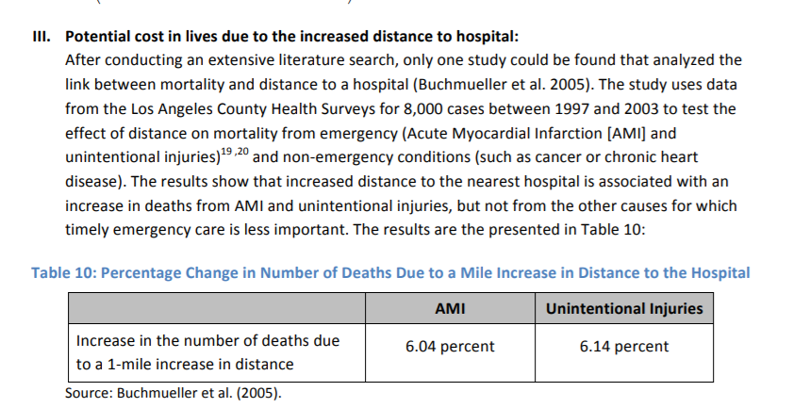

Look Up Data
Look Up Table |  | Source
Discount Rate | 0.07 | USDOT 2022 BCA Guidance
Discount Rate (Carbon Emissions) | 0.03 | USDOT 2022 BCA Guidance
CAGR (for VMT) | 0.0136
Annualization factor | 365
Average passenger vehicle occupancy | 1.67 | USDOT 2022 BCA Guidance
Seconds to hours conversion | 3600
Grams to tons conversion | 1000000
Kilograms to metric tons conversion | 0.001
US tons to metric tons conversion | 0.9072
Fuel consumed while idling (passenger vehicles) (gal/hr) | 0.2500 | https://www.energy.gov/eere/vehicles/fact-861-february-23-2015-idle-fuel-consumption-selected-gasoline-and-diesel-vehicles
Fuel consumed while idling (average of all truck types) (gal/hr) | 0.4500 | https://www.energy.gov/eere/vehicles/fact-861-february-23-2015-idle-fuel-consumption-selected-gasoline-and-diesel-vehicles
average cost of gasoline (2019$s, net of fuel taxes) | $2.11 | https://www.eia.gov/todayinenergy/detail.php?id=42435
average cost of diesel fuel (2019$s, net of fuel taxes) | $2.00
estimated average annual GDP deflator change 2019-2021 | 1.0244
Emissions Kilograms Per VHT
Passenger Car | Source | Unit | Vehicle Class | 2021 | 2022 | 2023 | 2024 | 2025 |  | AVG pollutant decrease, 2021-2025 | AVG annual % pollutant decrease, 2021-2025
Oxides of Nitrogen (NOx) | MOVES3 | kg/VHT | Car (Gasoline) | 0.008545 | 0.007651 | 0.006865 | 0.005806 | 0.005128 |  | 0.000854 | 11.984% | 0.6
Sulfur Dioxide (SO2) | MOVES3 | kg/VHT | Car (Gasoline) | 0.000072 | 0.000070 | 0.000069 | 0.000067 | 0.000066 |  | 0.000002 | 2.320% | 0.9
CO2 Equivalent | MOVES3 | kg/VHT | Car (Gasoline) | 12.037929 | 11.759563 | 11.486912 | 11.228310 | 10.978736 |  | 0.264798 | 2.276% | 0.9
PM2.5 | MOVES3 | kg/VHT | Car (Gasoline) | 0.000306 | 0.000300 | 0.000294 | 0.000290 | 0.000283 |  | 0.000006 | 1.965% | 0.9
Light/Medium Truck
Oxides of Nitrogen (NOx) | MOVES3 | kg/VHT | Medium Duty Truck | 0.034464 | 0.031572 | 0.029020 | 0.027161 | 0.025496 |  | 0.002242 | 7.257% | 0.7
Sulfur Dioxide (SO2) | MOVES3 | kg/VHT | Medium Duty Truck | 0.000102 | 0.000100 | 0.000099 | 0.000097 | 0.000096 |  | 0.000002 | 1.534% | 0.9
CO2 Equivalent | MOVES3 | kg/VHT | Medium Duty Truck | 23.361560 | 23.023154 | 22.677212 | 22.313965 | 21.968276 |  | 0.348321 | 1.526% | 0.9
PM2.5 | MOVES3 | kg/VHT | Medium Duty Truck | 0.001157 | 0.001019 | 0.000913 | 0.000871 | 0.000778 |  | 0.000095 | 9.442% | 0.7
Heavy Truck
Oxides of Nitrogen (NOx) | MOVES3 | kg/VHT | Tractor Trailers | 0.169877 | 0.156836 | 0.146297 | 0.137602 | 0.130284 |  | 0.009898 | 6.419% | 0.8
Sulfur Dioxide (SO2) | MOVES3 | kg/VHT | Tractor Trailers | 0.000217 | 0.000213 | 0.000209 | 0.000205 | 0.000200 |  | 0.000004 | 1.955% | 0.9
CO2 Equivalent | MOVES3 | kg/VHT | Tractor Trailers | 64.371870 | 63.228151 | 62.165454 | 60.886592 | 59.703328 |  | 1.167135 | 1.865% | 0.9
PM2.5 | MOVES3 | kg/VHT | Tractor Trailers | 0.004023 | 0.003506 | 0.003125 | 0.002800 | 0.002533 |  | 0.000372 | 10.918% | 0.6

Emissions Costs Per Ton | Source | Unit | 2020 | 2021 | 2022 | 2023 | 2024 | 2025 | 2026 | 2027 | 2028 | 2029 | 2030 | 2031 | 2032 | 2033 | 2034 | 2035 | 2036 | 2037 | 2038 | 2039 | 2040 | 2041 | 2042 | 2043 | 2044 | 2045 | 2046 | 2047 | 2048 | 2049 | 2050
Nox | USDOT 2022 BCA Guidance | $/Metric Ton | 15700 | 15900 | 16100 | 16400 | 16600 | 16800 | 17000 | 17300 | 17500 | 17700 | 17700 | 18000 | 18000 | 18000 | 18000 | 18000 | 18000 | 18000 | 18000 | 18000 | 18000 | 18000 | 18000 | 18000 | 18000 | 18000 | 18000 | 18000 | 18000 | 18000 | 18000
Sox | USDOT 2022 BCA Guidance | $/Metric Ton | 40400 | 41300 | 42100 | 43000 | 43900 | 44900 | 45500 | 46200 | 46900 | 47600 | 48200 | 48200 | 48200 | 48200 | 48200 | 48200 | 48200 | 48200 | 48200 | 48200 | 48200 | 48200 | 48200 | 48200 | 48200 | 48200 | 48200 | 48200 | 48200 | 48200 | 48200
...
Hourly Value of Time ($2020) |  |  | 2020 | 2021 | 2022 | 2023 | 2024 | 2025 | 2026
Passengers (All Purposes) | USDOT 2022 BCA Guidance |  | $17.80 | $17.80 | $17.80 | $17.80 | $17.80 | $17.80 | $17.80
Truck Drivers | USDOT 2022 BCA Guidance |  | $32.00 | $32.00 | $32.00 | $32.00 | $32.00 | $32.00 | $32.00
Bike and Pedestrian | USDOT 2022 BCA Guidance |  | $32.40 | $32.40 | $32.40 | $32.40 | $32.40 | $32.40 | $32.40

