Look Up
Look Up Table |  | Source
Discount Rate | 0.07 | USDOT 2021 BCA Guidance
Discount Rate (Carbon Emissions) | 0.03 | USDOT 2021 BCA Guidance
Delay savings attributable to Work Packages 2,3, and 5 | 75%
CAGR (for VMT) | 0.0136
Annualization factor | 250
Average passenger vehicle occupancy | 1.48 | USDOT 2021 BCA Guidance
Seconds to hours conversion | 3600
Grams to tons conversion | 1000000

Emissions Costs Per Ton | Source | Unit | 2020 | 2021 | 2022 | 2023 | 2024 | 2025 | 2026 | 2027 | 2028 | 2029 | 2030 | 2031 | 2032 | 2033 | 2034 | 2035 | 2036 | 2037 | 2038 | 2039 | 2040 | 2041 | 2042 | 2043 | 2044 | 2045 | 2046 | 2047 | 2048 | 2049 | 2050
CO2 | USDOT 2021 BCA Guidance | $/Metric Ton | 50 | 52 | 53 | 54.0 | 55.0 | 56.0 | 57.0 | 58.0 | 59.0 | 60.0 | 61.0 | 62.0 | 63.0 | 64.0 | 66.0 | 67.0 | 68.0 | 69.0 | 70.0 | 71.0 | 72.0 | 73.0 | 75.0 | 76.0 | 77.0 | 78.0 | 79.0 | 80.0 | 81.0 | 83.0 | 84.0
VOC | USDOT 2021 BCA Guidance | $/Metric Ton | NA | NA | NA | NA | NA | NA | NA | NA | NA | NA | NA | NA | NA | NA | NA | NA | NA | NA | NA | NA | NA | NA | NA | NA | NA | NA | NA | NA | NA | NA | NA
Nox | USDOT 2021 BCA Guidance | $/Metric Ton | 15700 | 15900 | 16100 | 16400 | 16600 | 16800 | 17000 | 17300 | 17500 | 17700 | 17700 | 18000 | 18000 | 18000 | 18000 | 18000 | 18000 | 18000 | 18000 | 18000 | 18000 | 18000 | 18000 | 18000 | 18000 | 18000 | 18000 | 18000 | 18000 | 18000 | 18000
PM | USDOT 2021 BCA Guidance | $/Metric Ton | 729300 | 742300 | 755500 | 769000 | 782700 | 796600 | 807500 | 818600 | 829800 | 841200 | 852700 | 852700 | 852700 | 852700 | 852700 | 852700 | 852700 | 852700 | 852700 | 852700 | 852700 | 852700 | 852700 | 852700 | 852700 | 852700 | 852700 | 852700 | 852700 | 852700 | 852700
Sox | USDOT 2021 BCA Guidance | $/Metric Ton | 40400 | 41300 | 42100 | 43000 | 43900 | 44900 | 45500 | 46200 | 46900 | 47600 | 48200 | 48200 | 48200 | 48200 | 48200 | 48200 | 48200 | 48200 | 48200 | 48200 | 48200 | 48200 | 48200 | 48200 | 48200 | 48200 | 48200 | 48200 | 48200 | 48200 | 48200

Value of Accidents KABCO Values ($2019) | Source | Unit | 2020 | 2021 | 2022 | 2023 | 2024 | 2025 | 2026 | 2027 | 2028 | 2029 | 2030 | 2031 | 2032 | 2033 | 2034 | 2035 | 2036 | 2037 | 2038 | 2039 | 2040 | 2041 | 2042 | 2043 | 2044 | 2045 | 2046 | 2047 | 2048 | 2049 | 2050 | 2051 | 2052
No injury (PDO equivalent) | USDOT 2021 BCA Guidance | $/Crash | $3,700 | $3,700 | $3,700 | $3,700 | $3,700 | $3,700 | $3,700 | $3,700 | $3,700 | $3,700 | $3,700 | $3,700 | $3,700 | $3,700 | $3,700 | $3,700 | $3,700 | $3,700 | $3,700 | $3,700 | $3,700 | $3,700 | $3,700 | $3,700 | $3,700 | $3,700 | $3,700 | $3,700 | $3,700 | $3,700 | $3,700 | $3,700 | $3,700
Possible Injury (=OK Severity 2) | USDOT 2021 BCA Guidance | $/Crash | $72,500 | $72,500 | $72,500 | $72,500 | $72,500 | $72,500 | $72,500 | $72,500 | $72,500 | $72,500 | $72,500 | $72,500 | $72,500 | $72,500 | $72,500 | $72,500 | $72,500 | $72,500 | $72,500 | $72,500 | $72,500 | $72,500 | $72,500 | $72,500 | $72,500 | $72,500 | $72,500 | $72,500 | $72,500 | $72,500 | $72,500 | $72,500 | $72,500
Non-incapacitating Injury (=OK Severity 3) | USDOT 2021 BCA Guidance | $/Crash | $142,000 | $142,000 | $142,000 | $142,000 | $142,000 | $142,000 | $142,000 | $142,000 | $142,000 | $142,000 | $142,000 | $142,000 | $142,000 | $142,000 | $142,000 | $142,000 | $142,000 | $142,000 | $142,000 | $142,000 | $142,000 | $142,000 | $142,000 | $142,000 | $142,000 | $142,000 | $142,000 | $142,000 | $142,000 | $142,000 | $142,000 | $142,000 | $142,000
Incapacitating Injury (=OK Severity 4) | USDOT 2021 BCA Guidance | $/Crash | $521,300 | $521,300 | $521,300 | $521,300 | $521,300 | $521,300 | $521,300 | $521,300 | $521,300 | $521,300 | $521,300 | $521,300 | $521,300 | $521,300 | $521,300 | $521,300 | $521,300 | $521,300 | $521,300 | $521,300 | $521,300 | $521,300 | $521,300 | $521,300 | $521,300 | $521,300 | $521,300 | $521,300 | $521,300 | $521,300 | $521,300 | $521,300 | $521,300
Fatal | USDOT 2021 BCA Guidance | $/Crash | $10,800,000 | $10,800,000 | $10,800,000 | $10,800,000 | $10,800,000 | $10,800,000 | $10,800,000 | $10,800,000 | $10,800,000 | $10,800,000 | $10,800,000 | $10,800,000 | $10,800,000 | $10,800,000 | $10,800,000 | $10,800,000 | $10,800,000 | $10,800,000 | $10,800,000 | $10,800,000 | $10,800,000 | $10,800,000 | $10,800,000 | $10,800,000 | $10,800,000 | $10,800,000 | $10,800,000 | $10,800,000 | $10,800,000 | $10,800,000 | $10,800,000 | $10,800,000 | $10,800,000

Hourly Value of Time ($2019) |  |  | 2020 | 2021 | 2022 | 2023 | 2024 | 2025 | 2026 | 2027 | 2028 | 2029 | 2030 | 2031 | 2032 | 2033 | 2034 | 2035 | 2036 | 2037 | 2038 | 2039 | 2040 | 2041 | 2042 | 2043 | 2044 | 2045 | 2046 | 2047 | 2048 | 2049 | 2050 | 2051 | 2052
Passengers (All Purposes) | USDOT 2021 BCA Guidance |  | $17.90 | $17.90 | $17.90 | $17.90 | $17.90 | $17.90 | $17.90 | $17.90 | $17.90 | $17.90 | $17.90 | $17.90 | $17.90 | $17.90 | $17.90 | $17.90 | $17.90 | $17.90 | $17.90 | $17.90 | $17.90 | $17.90 | $17.90 | $17.90 | $17.90 | $17.90 | $17.90 | $17.90 | $17.90 | $17.90 | $17.90 | $17.90 | $17.90 | $-
Truck Drivers | USDOT 2021 BCA Guidance |  | $30.80 | $30.80 | $30.80 | $30.80 | $30.80 | $30.80 | $30.80 | $30.80 | $30.80 | $30.80 | $30.80 | $30.80 | $30.80 | $30.80 | $30.80 | $30.80 | $30.80 | $30.80 | $30.80 | $30.80 | $30.80 | $30.80 | $30.80 | $30.80 | $30.80 | $30.80 | $30.80 | $30.80 | $30.80 | $30.80 | $30.80 | $30.80 | $30.80 | $-

GDP Price Deflators
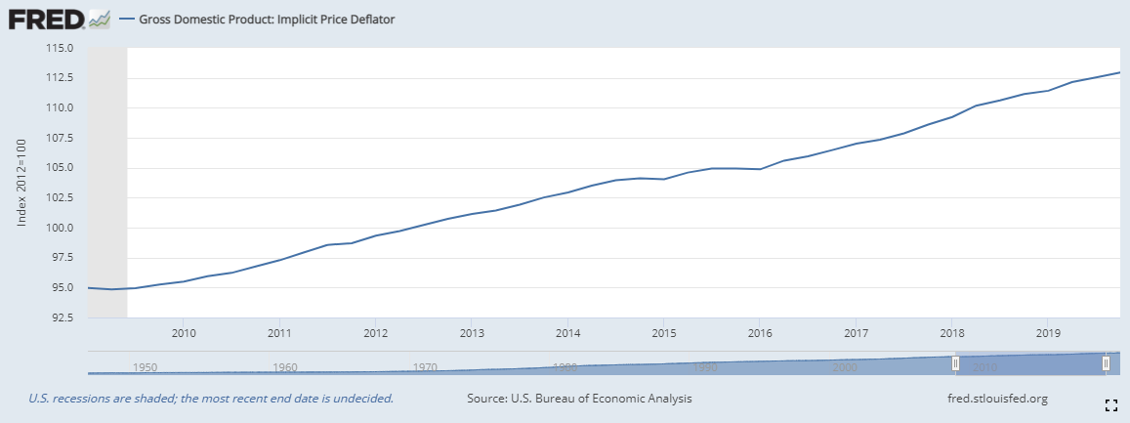

GDP Implicit Price Deflator | Value
2009 | 94.98
2012 | 100.00
2019 | 111.42
2009 to 2019 Inflator | 1.17

