Travel Time
Economic Competitiveness - Summary
Scenario |  | Travel Time Savings |  | Operational Savings
Benefit |  | $3,273,956,302 |  | ($62,593,695)
Benefit (NPV) |  | $374,554,075 |  | ($14,833,890)

Travel Time Savings

Year | No-Build |  |  |  |  |  |  |  |  |  | Build |  |  |  | Reduction in VHT |  | VHT Benefit | VHT Benefit (NPV)
 | Traffic Volumes |  | Vehicle Hours Traveled |  | Super Load Delay (Hours) |  | Train Delay (Hours) |  | Total Delay (Hours) |  | Traffic Volumes |  | Vehicle Hours Traveled
 | Passenger Vehicles | Trucks | Passenger Vehicles | Trucks | Passenger Vehicles | Trucks | Passenger Vehicles | Trucks | Passenger Vehicles | Trucks | Passenger Vehicles | Trucks | Passenger Vehicles | Trucks | Passenger Vehicles | Trucks
2027 | 12,280 | 2,515 | 2,895 | 593 | 346,501 | 74,329 | 1,145 | 214 | 350,541 | 75,137 | 14,118 | 3,012 | 2,459 | 525 | 348,082 | 74,612 | $8,528,723 | $4,963,794
2028 | 12,477 | 2,555 | 2,941 | 602 | 364,056 | 78,252 | 1,166 | 218 | 368,164 | 79,073 | 14,344 | 3,060 | 2,498 | 533 | 365,665 | 78,540 | $8,964,430 | $4,876,056
2029 | 12,677 | 2,596 | 2,988 | 612 | 383,371 | 82,574 | 1,188 | 222 | 387,547 | 83,408 | 14,574 | 3,109 | 2,538 | 541 | 385,008 | 82,866 | $9,443,940 | $4,800,820
2030 | 12,879 | 2,638 | 3,036 | 622 | 404,733 | 87,361 | 2,723 | 507 | 410,492 | 88,490 | 14,807 | 3,159 | 2,579 | 550 | 407,913 | 87,940 | $10,010,202 | $4,755,775
2031 | 13,085 | 2,680 | 3,084 | 632 | 428,499 | 92,694 | 2,774 | 516 | 434,358 | 93,842 | 15,044 | 3,209 | 2,620 | 559 | 431,737 | 93,283 | $10,601,212 | $4,707,065
2032 | 13,295 | 2,723 | 3,134 | 642 | 455,112 | 98,674 | 2,827 | 525 | 461,073 | 99,840 | 15,284 | 3,261 | 2,662 | 568 | 458,411 | 99,272 | $11,263,147 | $4,673,806
2033 | 13,507 | 2,767 | 3,184 | 652 | 485,135 | 105,428 | 2,880 | 534 | 491,199 | 106,614 | 15,529 | 3,313 | 2,705 | 577 | 488,494 | 106,037 | $12,009,981 | $4,657,678
2034 | 13,723 | 2,811 | 3,235 | 663 | 519,286 | 113,121 | 2,934 | 543 | 525,455 | 114,326 | 15,778 | 3,366 | 2,748 | 586 | 522,707 | 113,740 | $12,859,641 | $4,660,926
2035 | 13,943 | 2,856 | 3,287 | 673 | 558,504 | 121,965 | 2,990 | 552 | 564,780 | 123,191 | 16,029 | 3,420 | 2,792 | 596 | 561,989 | 122,595 | $13,835,522 | $4,686,570
2036 | 14,166 | 2,902 | 3,339 | 684 | 604,037 | 132,246 | 3,047 | 562 | 610,423 | 133,491 | 16,286 | 3,474 | 2,837 | 605 | 607,587 | 132,886 | $14,968,698 | $4,738,707
2037 | 14,393 | 2,948 | 3,393 | 695 | 657,581 | 144,348 | 3,105 | 571 | 664,079 | 145,614 | 16,547 | 3,530 | 2,882 | 615 | 661,197 | 144,999 | $16,301,404 | $4,822,997
2038 | 14,623 | 2,995 | 3,447 | 706 | 721,500 | 158,811 | 3,164 | 581 | 728,112 | 160,097 | 16,811 | 3,587 | 2,928 | 625 | 725,184 | 159,473 | $17,892,548 | $4,947,439
2039 | 14,857 | 3,043 | 3,502 | 717 | 799,194 | 176,406 | 3,225 | 591 | 805,921 | 177,715 | 17,081 | 3,644 | 2,975 | 635 | 802,946 | 177,080 | $19,826,795 | $5,123,621
2040 | 15,094 | 3,092 | 3,558 | 729 | 895,730 | 198,289 | 5,844 | 1,069 | 905,132 | 200,087 | 17,354 | 3,702 | 3,023 | 645 | 902,109 | 199,442 | $22,290,567 | $5,383,464
2041 | 15,230 | 3,120 | 3,590 | 735 | 961,353 | 213,174 | 5,907 | 1,079 | 970,850 | 214,988 | 17,632 | 3,761 | 3,071 | 655 | 967,779 | 214,333 | $23,924,709 | $5,400,122
2042 | 15,367 | 3,148 | 3,622 | 742 | 1,037,445 | 230,441 | 5,971 | 1,089 | 1,047,039 | 232,273 | 17,790 | 3,795 | 3,098 | 661 | 1,043,940 | 231,612 | $25,820,171 | $5,446,685
2043 | 15,505 | 3,176 | 3,655 | 749 | 1,126,755 | 250,716 | 6,036 | 1,100 | 1,136,447 | 252,565 | 17,950 | 3,830 | 3,126 | 667 | 1,133,320 | 251,898 | $28,044,880 | $5,528,953
2044 | 15,645 | 3,205 | 3,688 | 755 | 1,233,085 | 274,864 | 6,102 | 1,111 | 1,242,875 | 276,730 | 18,112 | 3,864 | 3,155 | 673 | 1,239,721 | 276,057 | $30,693,563 | $5,655,264
2045 | 15,786 | 3,233 | 3,721 | 762 | 1,361,851 | 304,118 | 6,169 | 1,121 | 1,371,741 | 306,001 | 18,274 | 3,899 | 3,183 | 679 | 1,368,558 | 305,322 | $33,901,106 | $5,837,618
2046 | 15,928 | 3,262 | 3,754 | 769 | 1,521,039 | 340,295 | 6,237 | 1,132 | 1,531,030 | 342,196 | 18,439 | 3,934 | 3,211 | 685 | 1,527,818 | 341,511 | $37,866,476 | $6,093,866
2047 | 16,071 | 3,292 | 3,788 | 776 | 1,722,940 | 386,192 | 6,305 | 1,143 | 1,733,033 | 388,111 | 18,606 | 3,969 | 3,241 | 691 | 1,729,793 | 387,420 | $42,895,823 | $6,451,627
2048 | 16,216 | 3,321 | 3,822 | 783 | 1,987,497 | 446,349 | 6,374 | 1,154 | 1,997,693 | 448,286 | 18,773 | 4,005 | 3,270 | 698 | 1,994,424 | 447,589 | $49,485,910 | $6,955,879
2049 | 16,362 | 3,351 | 3,857 | 790 | 2,349,357 | 528,650 | 6,445 | 1,166 | 2,359,659 | 530,606 | 18,942 | 4,041 | 3,299 | 704 | 2,356,360 | 529,902 | $58,499,819 | $7,684,953
2050 | 16,510 | 3,381 | 3,892 | 797 | 2,874,495 | 648,111 | 10,181 | 1,839 | 2,888,567 | 650,747 | 19,113 | 4,077 | 3,329 | 710 | 2,885,238 | 650,037 | $71,666,908 | $8,798,762
2051 | 16,658 | 3,412 | 3,927 | 804 | 3,705,943 | 837,284 | 10,293 | 1,857 | 3,720,163 | 839,945 | 19,284 | 4,114 | 3,359 | 717 | 3,716,804 | 839,229 | $92,379,045 | $10,599,676
2052 | 16,807 | 3,443 | 3,962 | 811 | 5,222,724 | 1,182,430 | 10,407 | 1,875 | 5,237,093 | 1,185,117 | 19,458 | 4,151 | 3,389 | 723 | 5,233,704 | 1,184,394 | $130,162,639 | $13,957,951
2053 | 16,959 | 3,474 | 3,998 | 819 | 8,868,207 | 2,012,044 | 10,523 | 1,893 | 8,882,727 | 2,014,756 | 19,633 | 4,188 | 3,419 | 729 | 8,879,308 | 2,014,027 | $220,971,642 | $22,145,633
2054 | 17,111 | 3,505 | 4,033 | 826 | 29,688,701 | 6,750,490 | 10,640 | 1,912 | 29,703,374 | 6,753,228 | 19,810 | 4,226 | 3,450 | 736 | 29,699,924 | 6,752,492 | $739,605,388 | $69,273,614
2055 | 17,266 | 3,536 | 4,070 | 834 | 29,955,899 | 6,811,244 | 10,759 | 1,931 | 29,970,728 | 6,814,008 | 19,988 | 4,264 | 3,481 | 743 | 29,967,246 | 6,813,266 | $746,262,295 | $65,324,411
2056 | 17,421 | 3,568 | 4,106 | 841 | 30,225,502 | 6,872,545 | 10,879 | 1,950 | 30,240,488 | 6,875,336 | 20,168 | 4,303 | 3,513 | 749 | 30,236,975 | 6,874,586 | $752,979,117 | $61,600,347
Total |  |  |  |  |  |  |  |  |  |  |  |  |  |  |  |  | $3,273,956,302 | $374,554,075
Operational Savings
...
Corridor Information
Travel Time (Hr.) | 0.24 | 0.12 | 0.21
Source: ODOT; Google Maps

$30.80 | Source: Truck Value of Time (DOT Benefit-Cost Analysis (BCA) 2021 Resource Guide)
$17.90 | Source: Passenger Vehicle Value of Time (DOT Benefit-Cost Analysis (BCA) 2021 Resource Guide)

$0.93 | Source: Per-Mile Truck Operating Cost (DOT Benefit-Cost Analysis (BCA) 2021 Resource Guide)
$0.43 | Source: Per-Mile Two-Axle Operating Cost (DOT Benefit-Cost Analysis (BCA) 2021 Resource Guide)

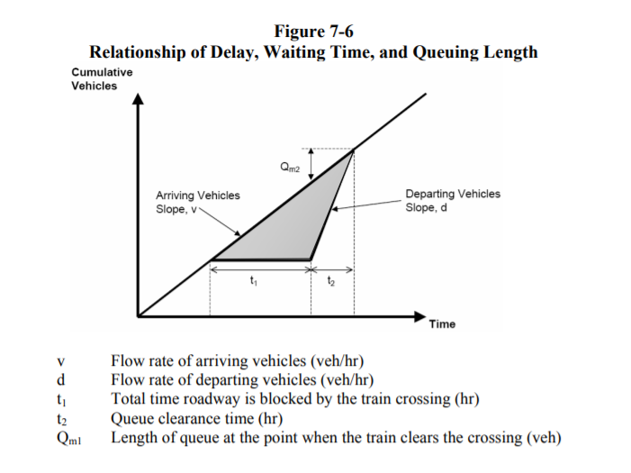

Environmental Protection
...
Damage Costs for Pollutant Emissions
2053 | $18,000 | $48,200 | $852,700 | $87
2054 | $18,000 | $48,200 | $852,700 | $88
2055 | $18,000 | $48,200 | $852,700 | $89
2056 | $18,000 | $48,200 | $852,700 | $90
Source: BCA Guildelines 2021

Pollution Emission by Mode (g/Mile)
Mode | Nox | PM2.5 | CO2e
Automobile | 0.91 | 0.01 | 532
Trucks - Diesel | 8.613 | 0.202 | 1430 | EPA - Average In-Use Emissions from Heavy Duty Trucks - Table 1
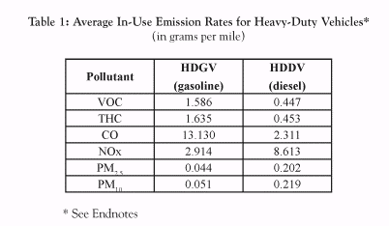
Bus - Diesel | 8.67 | 0.48 | 3319
Bus - CNG | 3.84 | 0.01 | 2935
Bus - Electric | 5.83 | 0.378 | 2934
Source: Emissions rates obtained from FTA New and Small Starts Evaluation and Rating Process Final Policy Guidance (June 2016). Carbon dioxide equivalent (CO2e) includes carbon dioxide in addition to other common greenhouse gases standardized in units with social cost equivalent to carbon dioxide alone.
Source: Truck - Diesel rates obtained from EPA, Emissions Facts, Average In-Use Emissions from Heavy-Duty Trucks, October 2008, Table 1

Source: https://www.epa.gov/sites/production/files/2015-12/documents/emission-factors_nov_2015.pdf, Table 9

