Travel Time
Economic Competitiveness - Summary
Scenario |  | Travel Time Savings |  | Operational Savings
Benefit |  | $2,101,397,400 |  | ($61,819,891)
Benefit (NPV) |  | $259,257,786 |  | ($13,695,290)

Travel Time Savings

Year | No-Build |  |  |  |  |  |  |  |  |  | Build |  |  |  | Reduction in VHT |  | VHT Benefit | VHT Benefit (NPV)
 | Traffic Volumes |  | Vehicle Hours Travelled |  | Super Load Delay (Hours) |  | Train Delay (Hours) |  | Total Delay (Hours) |  | Traffic Volumes |  | Vehicle Hours Travelled
 | Passenger Vehicles | Trucks | Passenger Vehicles | Trucks | Passenger Vehicles | Trucks | Passenger Vehicles | Trucks | Passenger Vehicles | Trucks | Passenger Vehicles | Trucks | Passenger Vehicles | Trucks | Passenger Vehicles | Trucks
2027 | 12,280 | 2,515 | 2,865 | 587 | 583,919 | 54,570 | 1,145 | 214 | 587,930 | 55,372 | 14,118 | 3,012 | 2,540 | 542 | 585,390 | 54,830 | $11,334,947 | $6,165,460
2028 | 12,477 | 2,555 | 2,911 | 596 | 613,480 | 55,777 | 1,166 | 218 | 617,558 | 56,591 | 14,344 | 3,060 | 2,581 | 550 | 614,977 | 56,041 | $11,861,831 | $6,029,953
2029 | 12,677 | 2,596 | 2,958 | 606 | 645,708 | 57,018 | 1,188 | 222 | 649,854 | 57,846 | 14,574 | 3,109 | 2,622 | 559 | 647,232 | 57,286 | $12,434,001 | $5,907,304
2030 | 12,879 | 2,638 | 3,005 | 616 | 680,985 | 58,295 | 2,723 | 507 | 686,713 | 59,418 | 14,807 | 3,159 | 2,664 | 568 | 684,049 | 58,849 | $13,091,276 | $5,812,683
2031 | 13,085 | 2,680 | 3,053 | 625 | 719,771 | 59,609 | 2,774 | 516 | 725,599 | 60,750 | 15,044 | 3,209 | 2,706 | 577 | 722,892 | 60,173 | $13,775,107 | $5,716,180
2032 | 13,295 | 2,723 | 3,102 | 635 | 762,630 | 60,961 | 2,827 | 525 | 768,558 | 62,121 | 15,284 | 3,261 | 2,750 | 587 | 765,809 | 61,534 | $14,527,688 | $5,634,088
2033 | 13,507 | 2,767 | 3,152 | 646 | 810,251 | 62,353 | 2,880 | 534 | 816,282 | 63,532 | 15,529 | 3,313 | 2,794 | 596 | 813,489 | 62,936 | $15,360,535 | $5,567,365
2034 | 13,723 | 2,811 | 3,202 | 656 | 863,497 | 63,787 | 2,934 | 543 | 869,633 | 64,986 | 15,778 | 3,366 | 2,838 | 606 | 866,794 | 64,380 | $16,288,003 | $5,517,310
2035 | 13,943 | 2,856 | 3,253 | 666 | 923,457 | 65,264 | 2,990 | 552 | 929,700 | 66,483 | 16,029 | 3,420 | 2,884 | 615 | 926,816 | 65,867 | $17,328,241 | $5,485,677
2036 | 14,166 | 2,902 | 3,306 | 677 | 991,531 | 66,787 | 3,047 | 562 | 997,883 | 68,025 | 16,286 | 3,474 | 2,930 | 625 | 994,953 | 67,400 | $18,504,535 | $5,474,824
2037 | 14,393 | 2,948 | 3,358 | 688 | 1,069,552 | 68,356 | 3,105 | 571 | 1,076,015 | 69,615 | 16,547 | 3,530 | 2,977 | 635 | 1,073,038 | 68,980 | $19,847,354 | $5,487,959
2038 | 14,623 | 2,995 | 3,412 | 699 | 1,159,970 | 69,975 | 3,164 | 581 | 1,166,546 | 71,255 | 16,811 | 3,587 | 3,024 | 645 | 1,163,522 | 70,609 | $21,397,443 | $5,529,506
2039 | 14,857 | 3,043 | 3,467 | 710 | 1,266,146 | 71,645 | 3,225 | 591 | 1,272,837 | 72,946 | 17,081 | 3,644 | 3,073 | 656 | 1,269,764 | 72,290 | $23,210,648 | $5,605,675
2040 | 15,094 | 3,092 | 3,522 | 721 | 1,392,827 | 73,368 | 5,844 | 1,069 | 1,402,193 | 75,158 | 17,354 | 3,702 | 3,122 | 666 | 1,399,071 | 74,492 | $25,422,095 | $5,738,101
2041 | 15,230 | 3,120 | 3,554 | 728 | 1,475,885 | 74,365 | 5,907 | 1,079 | 1,485,346 | 76,172 | 17,632 | 3,761 | 3,172 | 677 | 1,482,174 | 75,496 | $26,831,216 | $5,659,961
2042 | 15,367 | 3,148 | 3,586 | 734 | 1,569,334 | 75,381 | 5,971 | 1,089 | 1,578,891 | 77,205 | 17,790 | 3,795 | 3,200 | 683 | 1,575,691 | 76,522 | $28,413,863 | $5,601,697
2043 | 15,505 | 3,176 | 3,618 | 741 | 1,675,371 | 76,415 | 6,036 | 1,100 | 1,685,025 | 78,256 | 17,950 | 3,830 | 3,229 | 689 | 1,681,796 | 77,567 | $30,206,040 | $5,565,438
2044 | 15,645 | 3,205 | 3,651 | 748 | 1,796,885 | 77,468 | 6,102 | 1,111 | 1,806,638 | 79,327 | 18,112 | 3,864 | 3,258 | 695 | 1,803,380 | 78,632 | $32,255,743 | $5,554,294
2045 | 15,786 | 3,233 | 3,683 | 754 | 1,937,759 | 78,542 | 6,169 | 1,121 | 1,947,611 | 80,417 | 18,274 | 3,899 | 3,288 | 701 | 1,944,324 | 79,716 | $34,627,400 | $5,572,600
2046 | 15,928 | 3,262 | 3,716 | 761 | 2,103,340 | 79,635 | 6,237 | 1,132 | 2,113,293 | 81,528 | 18,439 | 3,934 | 3,317 | 708 | 2,109,976 | 80,821 | $37,409,805 | $5,626,517
2047 | 16,071 | 3,292 | 3,750 | 768 | 2,301,219 | 80,749 | 6,305 | 1,143 | 2,311,274 | 82,660 | 18,606 | 3,969 | 3,347 | 714 | 2,307,927 | 81,946 | $40,729,006 | $5,724,984
2048 | 16,216 | 3,321 | 3,784 | 775 | 2,542,572 | 81,884 | 6,374 | 1,154 | 2,552,730 | 83,814 | 18,773 | 4,005 | 3,377 | 721 | 2,549,353 | 83,093 | $44,770,504 | $5,881,372
2049 | 16,362 | 3,351 | 3,818 | 782 | 2,844,583 | 83,042 | 6,445 | 1,166 | 2,854,846 | 84,989 | 18,942 | 4,041 | 3,408 | 727 | 2,851,438 | 84,262 | $49,819,602 | $6,116,502
2050 | 16,510 | 3,381 | 3,852 | 789 | 3,235,184 | 84,221 | 10,181 | 1,839 | 3,249,217 | 86,849 | 19,113 | 4,077 | 3,438 | 733 | 3,245,778 | 86,116 | $56,420,341 | $6,473,734
2051 | 16,658 | 3,412 | 3,887 | 796 | 3,763,118 | 85,424 | 10,293 | 1,857 | 3,777,298 | 88,077 | 19,284 | 4,114 | 3,469 | 740 | 3,773,829 | 87,337 | $65,221,995 | $6,994,061
2052 | 16,807 | 3,443 | 3,922 | 803 | 4,521,992 | 86,650 | 10,407 | 1,875 | 4,536,321 | 89,329 | 19,458 | 4,151 | 3,501 | 747 | 4,532,820 | 88,582 | $77,857,988 | $7,802,876
2053 | 16,959 | 3,474 | 3,957 | 811 | 5,717,841 | 87,901 | 10,523 | 1,893 | 5,732,321 | 90,605 | 19,633 | 4,188 | 3,532 | 753 | 5,728,789 | 89,852 | $97,748,527 | $9,155,414
2054 | 17,111 | 3,505 | 3,993 | 818 | 7,911,779 | 89,177 | 10,640 | 1,912 | 7,926,412 | 91,907 | 19,810 | 4,226 | 3,564 | 760 | 7,922,848 | 91,146 | $134,208,093 | $11,747,967
2055 | 17,266 | 3,536 | 4,029 | 825 | 13,370,106 | 90,479 | 10,759 | 1,931 | 13,384,893 | 93,234 | 19,988 | 4,264 | 3,596 | 767 | 13,381,297 | 92,467 | $224,857,320 | $18,395,316
2056 | 17,421 | 3,568 | 4,065 | 833 | 53,173,547 | 91,807 | 10,879 | 1,950 | 53,188,491 | 94,589 | 20,168 | 4,303 | 3,628 | 774 | 53,184,863 | 93,815 | $885,636,255 | $67,712,966
 |  |  |  |  |  |  |  |  |  |  |  |  |  |  | Total |  | $2,101,397,400 | $259,257,786
Operational Savings

Year | No-Build |  |  |  | Build |  |  |  | Reduction in VMT |  | VMT Benefit | VMT Benefit (NPV)
...
Corridor Information
Travel Time (Hr.) | 0.23 | 0.12 | 0.22
Source: ODOT; Google Maps

$29.50 | Source: Truck Value of Time (DOT Benefit-Cost Analysis (BCA) 2020 Resource Guide)
$16.60 | Source: Passenger Vehicle Value of Time (DOT Benefit-Cost Analysis (BCA) 2020 Resource Guide)

$0.96 | Source: Per-Mile Truck Operating Cost (DOT Benefit-Cost Analysis (BCA) 2020 Resource Guide)
$0.41 | Source: Per-Mile Two-Axle Operating Cost (DOT Benefit-Cost Analysis (BCA) 2020 Resource Guide)

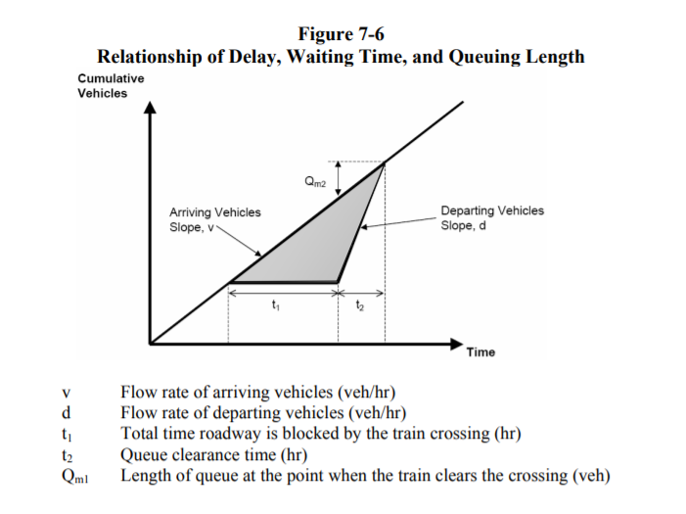

Environmental Protection
...
Damage Costs for Pollutant Emissions
Nitrogen Oxides | $8,600 | $0.01
Particulate Matter | $387,300 | $0.43
Sulfur Dioxide | $50,100 | $0.06
Source: BCA Guidelines 2020

Pollution Emission by Mode (g/Mile)
Mode | Nox | VOC | PM2.5 | CO2e
Automobile | 0.91 | 0.6 | 0.01 | 532
Trucks - Diesel | 8.613 | 0.447 | 0.202 | 1430 | EPA - Average In-Use Emissions from Heavy Duty Trucks - Table 1
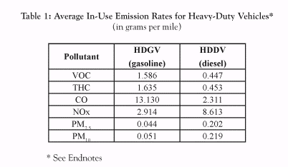
Bus - Diesel | 8.67 | 0.73 | 0.48 | 3319
Bus - CNG | 3.84 | 1.46 | 0.01 | 2935
Bus - Electric | 5.83 | 0.012 | 0.378 | 2934
Source: Emissions rates obtained from FTA New and Small Starts Evaluation and Rating Process Final Policy Guidance (June 2016). Carbon dioxide equivalent (CO2e) includes carbon dioxide in addition to other common greenhouse gases standardized in units with social cost equivalent to carbon dioxide alone.
Source: Truck - Diesel rates obtained from EPA, Emissions Facts, Average In-Use Emissions from Heavy-Duty Trucks, October 2008, Table 1

Source: https://www.epa.gov/sites/production/files/2015-12/documents/emission-factors_nov_2015.pdf, Table 9

