F.Davis_CapCost
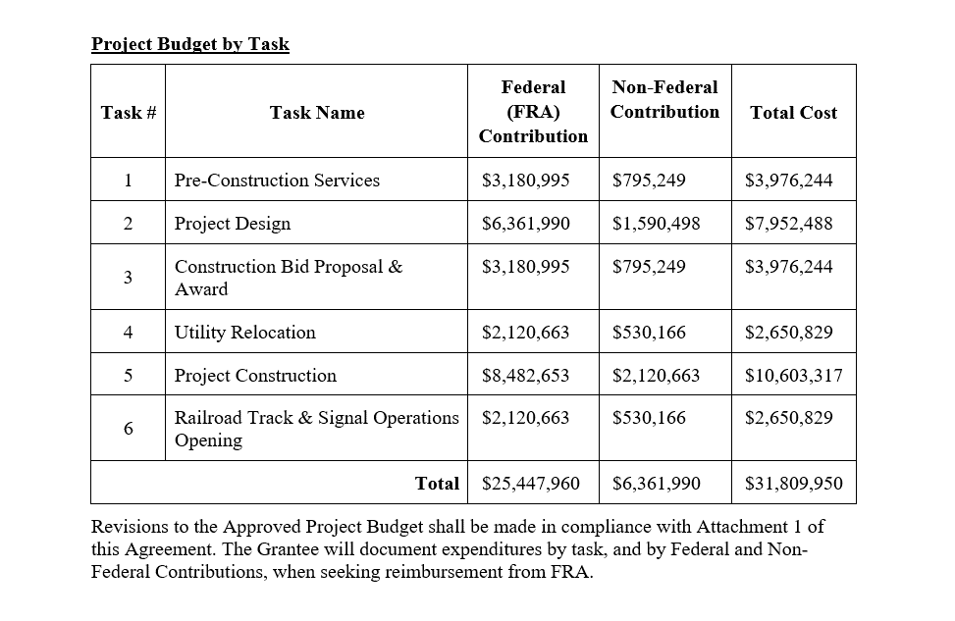

 | Activities |  | 2023$ | 2022$
 | 1,5,6 | Construction | $17,230,390 | $16,476,640
 | 4 | ROW/Utilities | $2,650,829 | $2,534,867
 | 2,3 | PDE | $11,928,731 | $11,406,904
 |  | Total Cost | $31,809,950 | $30,418,411

Source: Jacobs

