Capital Costs
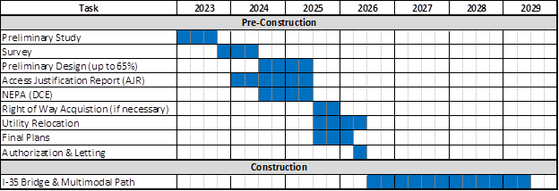
Capital Costs (Undiscounted, $2021)
 |  |  |  | preconstruction |  |  | construction
Years of Construction |  |  |  |  | 1 | 2 | 3 | 4 | 5 | 6
Year of Operation |  |  |  |  |  |  |  |  |  |  | 1 | 2 | 3 | 4 | 5 | 6 | 7 | 8 | 9 | 10 | 11 | 12 | 13 | 14 | 15 | 16 | 17 | 18 | 19 | 20
 | 2022 dollar value | 2021 dollar value | 2022 | 2023 | 2024 | 2025 | 2026 | 2027 | 2028 | 2029 | 2030 | 2031 | 2032 | 2033 | 2034 | 2035 | 2036 | 2037 | 2038 | 2039 | 2040 | 2041 | 2042 | 2043 | 2044 | 2045 | 2046 | 2047 | 2048 | 2049

2021 $s

Build
Vehicular Bridge and Approach Roads | $145,689,280 | $135,374,497 |  | $2,707,490 | $5,414,980 | $5,414,980 | $30,459,262 | $30,459,262 | $30,459,262 | $30,459,262
Multimodal Bridge and Trail Improvements | $20,020,720 | $16,742,930 |  | $372,065 | $744,130 | $744,130 | $4,185,732 | $4,185,732 | $4,185,732 | $4,185,732
 | $165,710,000
 |  |  |  |  |  |  | ` |  | `
 |  |  |  |  |  |  |  |  | `

 | (Q4 2022 Dollars) |  |  |  | PED BRIDGE OVER OKLAHOMA RIVER
 | Item |  | Cost |  | ITEM NO. | DESCRIPTION | UNIT | QUANT | UNIT COST | TOTAL COST
 | Roadway
 |  | Construction | $27,500,000 |  | 504 (A) | APPROACH SLAB | SY | 150 | $290.00 | $43,500.00
 |  | Other Items (Traffic Control, Striping, Etc.) | $4,000,000 |  | 504 (E) | CONCRETE PARAPET | LF | 1,700 | $105.00 | $178,500.00
 | Bridge |  |  |  | 506 (A) | STRUCTURAL STEEL | LB | 2,300,000 | $3.00 | $6,900,000.00
 |  | I-35 SB over Oklahoma River | $47,400,000 |  | 507 (A) | STAINLESS STEEL FIXED BEARING ASSEMBLY | EA | 10 | $2,250.00 | $22,500.00
 |  | I-35 NB over Oklahoma River | $33,900,000 |  | 507 (B) | STAINLESS STEEL EXPANSION BEARING ASSEMBLY | EA
 |  | I-35 Ramp over Oklahoma River | $20,700,000 |  | 509 (A) | CLASS AA CONCRETE | CY | 520 | $700.00 | $364,000.00
 |  | Pedestrian Bridge over Oklahoma River | $13,200,000 |  | 509 (B) | CLASS A CONCRETE | CY | 300 | $770.00 | $231,000.00
 |  | I-35 over Stillwater RR Bridge Rehab | $2,800,000 |  | 511 (B) | EPOXY COATED REINFORCING STEEL | LB | 205,000 | $1.90 | $389,500.00
 | Trail Improvements |  | $5,200,000 |  | 516 (A) | DRILLED SHAFTS 72" DIAMETER | LF | 100 | $2,000.00 | $200,000.00
 |  |  |  |  | 601 (B) | TYPE I-A PLAIN RIPRAP | TON | 600 | $80.00 | $48,000.00
 |  | Total | $154,700,000
 |  | 30% Contigency (Excluding Bridge Items) | $11,010,000 |  |  | CONSTRUCTION TOTAL |  |  |  | $8,377,000.00
 |  | Grand Total | $165,710,000 |  |  | 10% CONTINGENCY |  |  |  | $837,700.00
 |  |  |  |  |  | ` |  |  |  | $4,000,000.00
 |  |  |  |  |  | BRIDGE TOTAL |  |  |  | $13,214,700.00

 | Grand Total Bridge and Roadway |  | $145,689,280 |  | 510(D) | MSE RETAINING WALL (NORTH BANK) | SY | 4,000 | $850.00 | $3,400,000.00
 | Grant Total Multimodal ImprovemetnS |  | $20,020,720 |  |  | MULTIMODAL TRAIL (NORTH BANK) | LF | 2,000 | $122.00 | $244,000.00
 |  |  |  |  |  | MULTIMODAL RAMP (NORTH BANK) | LF | 500 | $1,300.00 | $650,000.00
 |  |  |  |  |  | MULTIMODAL TRAIL (SOUTH BANK) | LF | 800 | $122.00 | $97,600.00
 |  |  | $165,710,000 |  |  | MULTIMODAL RAMP (SOUTH BANK) | LF | 500 | $1,300.00 | $650,000.00
 |  |  |  |  |  | MULTIMODAL TRAIL (SOUTH BANK OKANA EXTENSION) | LF | 900 | $122.00 | $109,800.00
 |  |  |  |  | 504(F) | HANDRAILING | LF | 2,800 | $30.00 | $84,000.00

 |  |  |  |  |  | CONSTRUCTION TOTAL |  |  |  | $5,235,400.00
 |  |  |  |  |  | 30% CONTINGENCY |  |  |  | $1,570,620.00
 |  |  |  |  |  | TRAIL TOTAL |  |  |  | $6,806,020.00

 |  |  |  |  |  | BRIDGE & TRAIL TOTAL |  |  |  | $20,020,720.00

Travel Time Savings - Hours
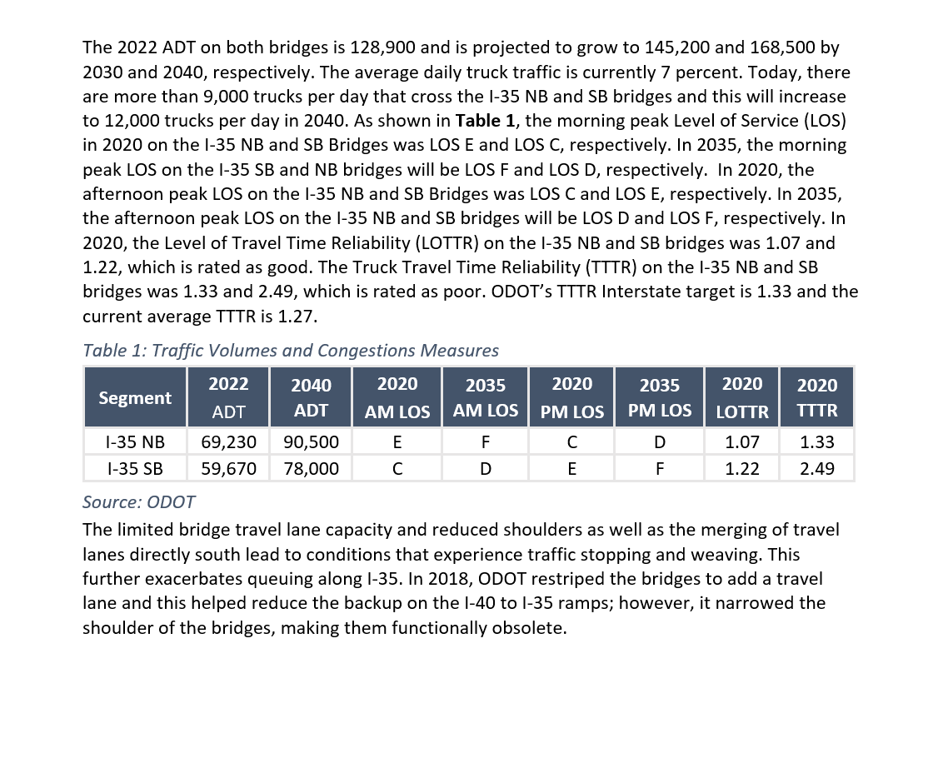
VHT and PHT Savings

Year of Operation |  |  |  |  |  |  |  |  |  |  |  |  | 1 | 2 | 3 | 4 | 5 | 6 | 7 | 8 | 9 | 10 | 11 | 12 | 13 | 14 | 15 | 16 | 17 | 18 | 19 | 20
 |  |  |  |  |  |  |  |  |  |  |  |  | 2030 | 2031 | 2032 | 2033 | 2034 | 2035 | 2036 | 2037 | 2038 | 2039 | 2040 | 2041 | 2042 | 2043 | 2044 | 2045 | 2046 | 2047 | 2048 | 2049

Annual PHT/VHT savings
auto PHT | 3,919,842 |  |  |  |  |  |  |  |  |  |  |  | 175,721 | 178,355 | 181,030 | 183,744 | 186,499 | 189,296 | 192,134 | 195,015 | 197,939 | 200,907 | 203,920 | 203,920 | 203,920 | 203,920 | 203,920 | 203,920 | 203,920 | 203,920 | 203,920 | 203,920
truck | 164,305 |  |  |  |  |  |  |  |  |  |  |  | 7,366 | 7,476 | 7,588 | 7,702 | 7,817 | 7,935 | 8,054 | 8,174 | 8,297 | 8,421 | 8,548 | 8,548 | 8,548 | 8,548 | 8,548 | 8,548 | 8,548 | 8,548 | 8,548 | 8,548

AADT - Current and Forecast (I-35)
 |  | Daily | AM |  |  | Daily | PM
 |  | NB Daily | AM NB peak | SB Daily | AM SB peak | NB Daily | PM NB peak | SB Daily | PM SB peak | peak trip time No Build | peak trip time Build | time savings per trip (minutes)

2022 AADT | autos | 64,384 | 4,024 | 55,493 | 3,468 | 64,384 | 4,024 | 55,493 | 3,468 |  |  |  |  |  | 59670
 | trucks | 4,846 | 282 | 4,177 | 243 | 4,846 | 282 | 4,177 | 243
2030 AADT | autos | 72,525 | 4,533 | 62,510 | 3,907 | 72,525 | 4,533 | 62,510 | 3,907 | 3.4286 | 2.1818 | 1.247
 | trucks | 5,077 | 317 | 4,376 | 273 | 5,077 | 317 | 4,376 | 273 |  |  |  |  | 1.015
2040 AADT | autos | 84,165 | 5,260 | 72,540 | 4,534 | 84,165 | 5,260 | 72,540 | 4,534 | 4.0000 | 2.1818 | 1.818 |  |  |  |  |  |  | `
 | trucks | 6,335 | 368 | 5,460 | 317 | 6,335 | 368 | 5,460 | 317
 |  |  |  |  |  |  |  |  |  |  |  |  |  | `
truck share | 7.00%

