Recon Summary
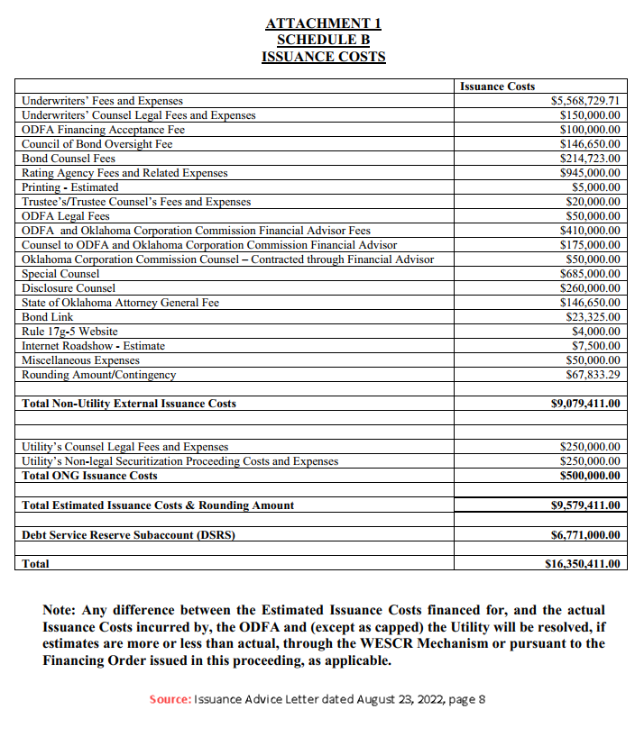
ATTACHMENT 1 SCHEDULE B ISSUANCE COSTS
 | Issuance Costs | Paid |  | Under/(Over)
Underwriters’ Fees and Expenses | $5,568,729.71 | $5,568,729.71 | netted out of proceeds | $-
Underwriters’ Counsel Legal Fees and Expenses | $150,000.00 | $150,000.00 | netted out of proceeds | $-
ODFA Financing Acceptance Fee | $100,000.00 | $100,000.00 | ODFA sent to trustee for payment | $-
Council of Bond Oversight Fee | $146,650.00 | $140,920.00 | ODFA sent to trustee for payment | $5,730.00
Bond Counsel Fees | $214,723.00 | $214,723.00 | ODFA sent to trustee for payment | $-
Rating Agency Fees and Related Expenses | $945,000.00 | $945,000.00 | ODFA sent to trustee for payment | $-
Printing | $5,000.00 | $- |  | $5,000.00
Trustee’s/Trustee Counsel’s Fees and Expenses | $20,000.00 | $20,000.00 | ODFA sent to trustee for payment | $-
ODFA Legal Fees | $50,000.00 | $50,000.00 | ODFA sent to trustee for payment | $-
ODFA and Oklahoma Corporation Commission Financial Advisor Fees | $410,000.00 | $410,000.00 | ODFA sent to trustee for payment | $-
Counsel to ODFA and Oklahoma Corporation Commission Financial Advisor | $175,000.00 | $56,627.50 | ODFA sent to trustee for payment | $118,372.50
Oklahoma Corporation Commission Counsel – Contracted through Financial Advisor | $50,000.00 | $21,357.45 | ODFA sent to trustee for payment | $28,642.55
Special Counsel | $685,000.00 | $676,500.00 | ODFA sent to trustee for payment | $8,500.00
Disclosure Counsel | $260,000.00 | $260,000.00 | ODFA sent to trustee for payment | $-
State of Oklahoma Attorney General Fee | $146,650.00 | $140,920.00 | ODFA sent to trustee for payment | $5,730.00
Bond Link | $23,325.00 | $22,425.00 | ODFA sent to trustee for payment | $900.00
Rule 17g-5 Website | $4,000.00 | $- | see footnote (1) | $4,000.00 | (1)
Internet Roadshow | $7,500.00 | $2,500.00 | ODFA sent to trustee for payment | $5,000.00
Miscellaneous Expenses | $50,000.00 | $- |  | $50,000.00
Rounding Amount/Contingency | $67,833.29 | $- |  | $67,833.29
Total Non-Utility External Issuance Costs | $9,079,411.00 | $8,779,702.66 |  | $299,708.34 | (2)
 |  |  |  | $-
 |  |  |  | $-
Utility’s Counsel Legal Fees and Expenses | $250,000.00 | $265,983.31 | ONG sent to trustee for payment | $(15,983.31)
Utility’s Non-legal Securitization Proceeding Costs and Expenses | $250,000.00 | $218,258.39 | ONG sent to trustee for payment | $31,741.61 | (3)
Total ONG Issuance Costs | $500,000.00 | $484,241.70 |  | $15,758.30
 |  |  |  | $-
Total Estimated Issuance Costs & Rounding Amount | $9,579,411.00 | $9,263,944.36 |  | $315,466.64
 |  |  |  | $-
Debt Service Reserve Subaccount (DSRS) | $6,771,000.00 | $6,771,000.00 |  | $-
 |  |  |  | $-
Total | $16,350,411.00 | $16,034,944.36 |  | $315,466.64

(1) Rule 17g-5 was paid by ONE Gas and was incorporated into the legal consulting fees for the total authorized amount of the bond
(2) Ties to the bank details plus an additional $27,228.72 in interest and syndicate expense excess
(3) $6,641.74 are related to other expenses in the "Non-Utility External Issuance Costs"

Underwriters’ Fees
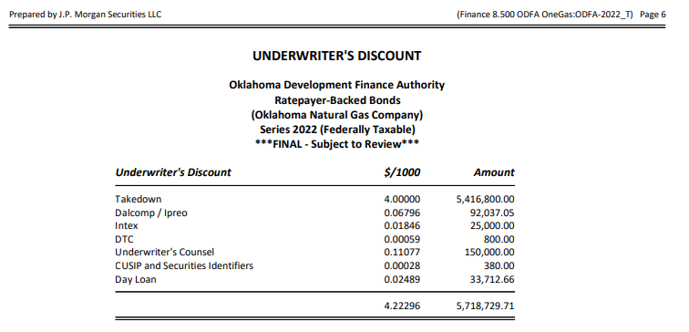
Description | Vendor Name | Invoice Amount
Underwriting Fee | Takedown | $5,416,800.00
 | Dalcomp/Ipreo | $92,037.05
 | Intex | $25,000.00
 | DTC | 800.00
 | CUSIP and Securities Identifiers | 380.00
 | Day Loan | 33,712.66
 | Total | $5,568,729.71

Acceptance Fee
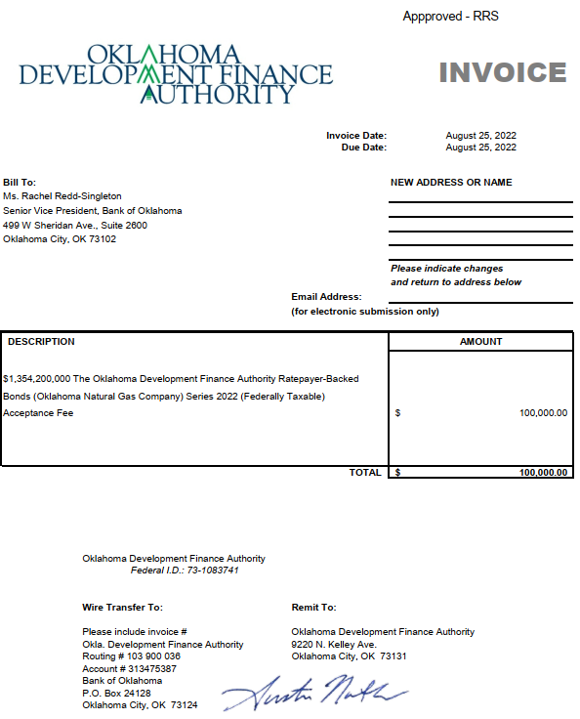
Description | Vendor Name | Invoice Amount
ODFA Financing Acceptance Fee | Oklahoma Development Finanace Authority | $100,000.00

Oversight Fee
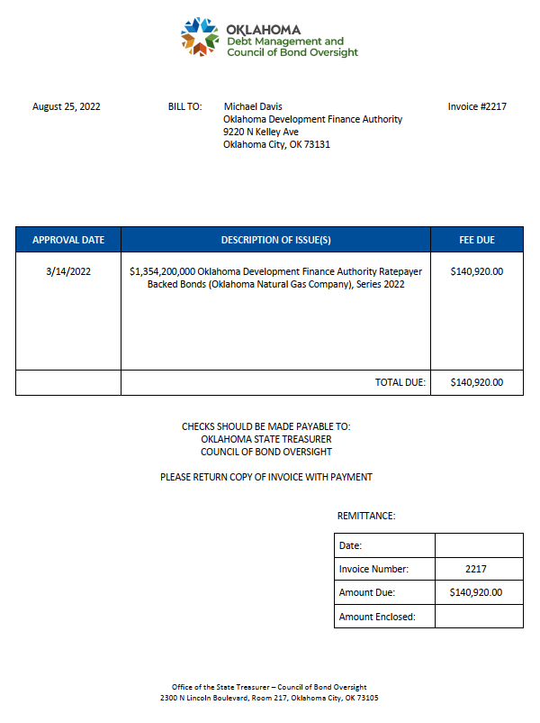
Description | Vendor Name | Invoice Amount
Council of Bond Oversight Fee | OKLAHOMA STATE TREASURER | $140,920.00

Bond Counsel
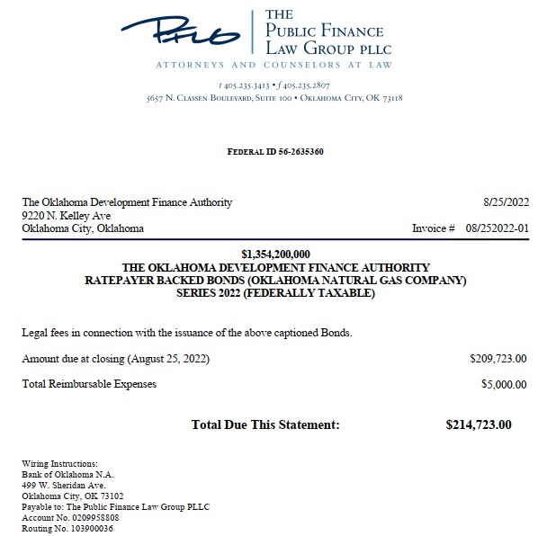
Description | Vendor Name | Invoice Amount
Bond Counsel Fees | THE PUBLIC FINANCE LAW GROUP PLLC | $214,723.00

Rating Agency
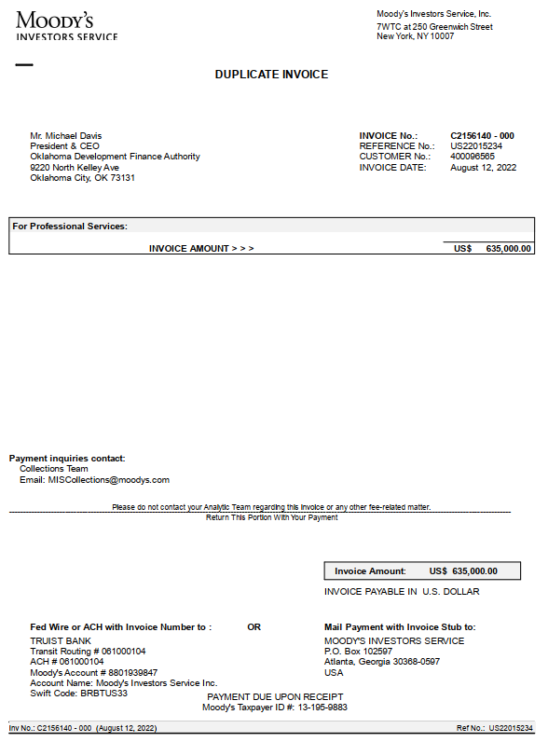
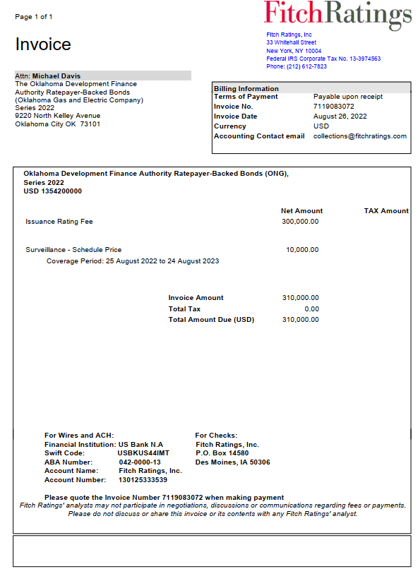
Description | Vendor Name | Invoice Amount
Rating Agency Fees and Related Expenses | MOODY'S INVESTORS SERVICE | $635,000.00
Rating Agency Fees and Related Expenses | FITCHRATINGS | 310,000.00
 | Total | $945,000.00

Trustee
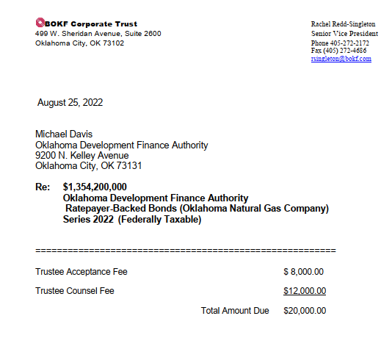
Description | Vendor Name | Invoice Amount
Trustee’s/Trustee Counsel’s Fees and Expenses | BANK OF OKLAHOMA | $20,000.00

ODFA Legal
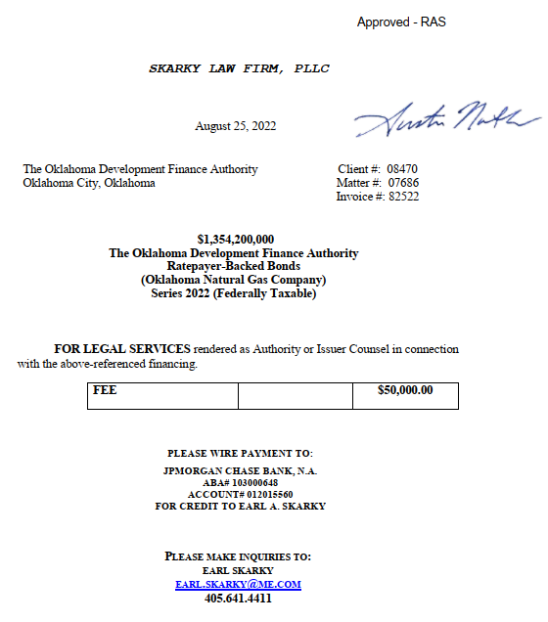
Description | Vendor Name | Invoice Amount
ODFA Legal Fees | SKARKY LAW FIRM, PLLC | 50,000.00

Advisor Fees
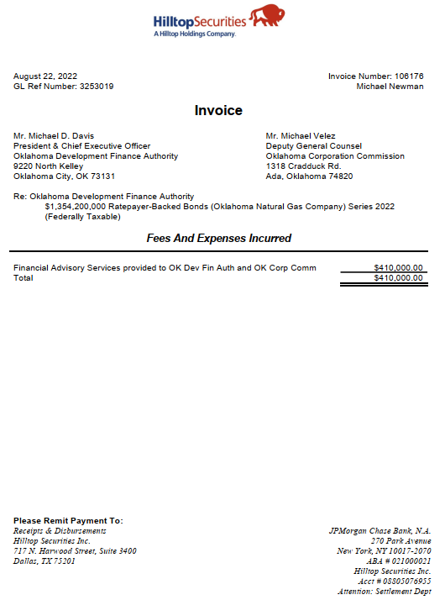
Description | Vendor Name | Invoice Amount
ODFA and Oklahoma Corporation Commission Financial Advisor Fees | HILLTOP SECURITIES | $410,000.00

Counsel to ODFA
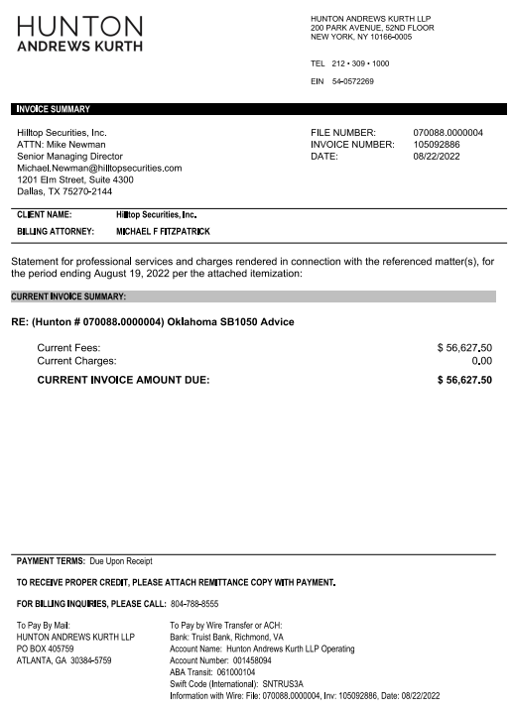
Description | Vendor Name | Invoice Amount
Counsel to ODFA and Oklahoma Corporation Commission Financial Advisor | HUNTON ANDREWS KURTH | $56,627.50

OCC Counsel
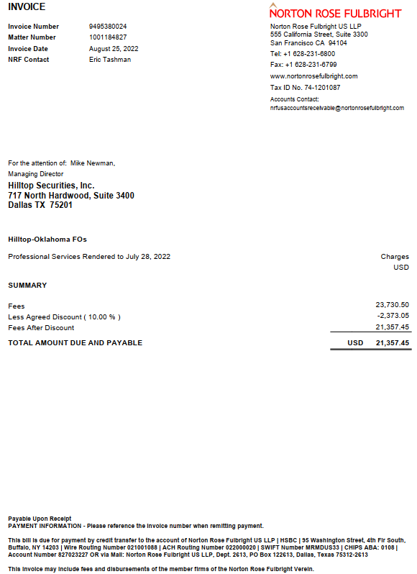
Description | Vendor Name | Invoice Amount
Oklahoma Corporation Commission Counsel – Contracted through Financial Advisor | NORTON ROSE FULLBRIGHT | $21,357.45

Special Counsel
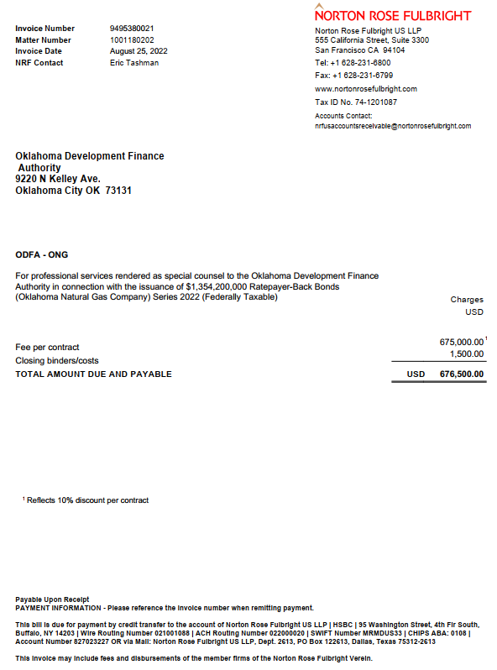
Description | Vendor Name | Invoice Amount
Special Counsel | NORTON ROSE FULLBRIGHT | $676,500.00

Disclosure Counsel
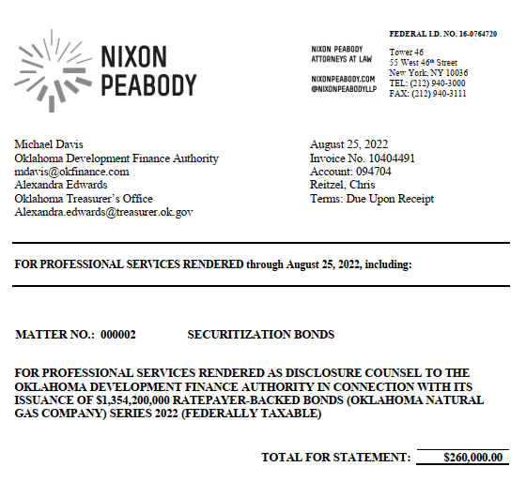
Description | Vendor Name | Invoice Amount
Disclosure Counsel | NIXON PEABODY | $260,000.00

Attorney General Fee
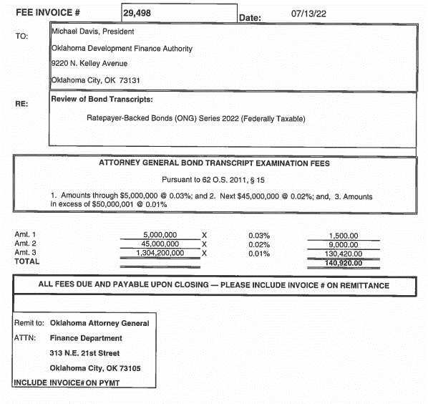
Description | Vendor Name | Invoice Amount
State of Oklahoma Attorney General Fee | OKLAHOMA ATTORNEY GENERAL | $140,920.00

Bond Link
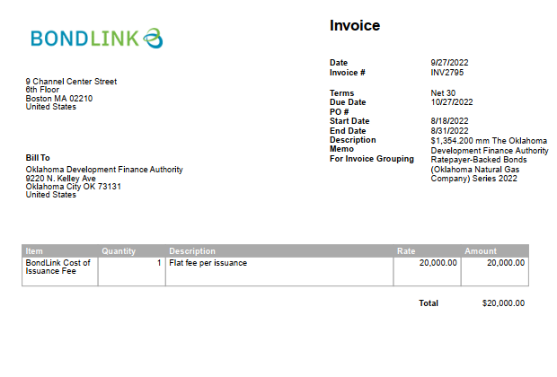
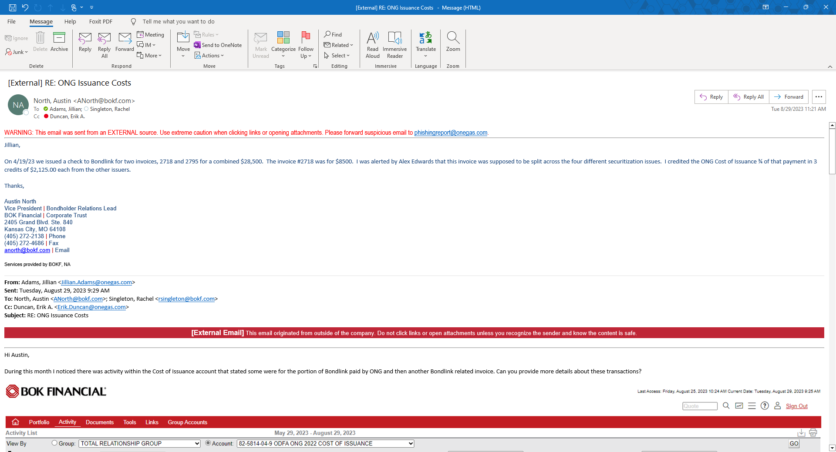
Description | Vendor Name | Invoice Amount
Bond Link | BONDLINK | $300.00
Bond Link | BONDLINK | 20,000.00
Bond Link | BONDLINK | 8,500.00
Bond Link | Deposit to Account | (4,250.00)
Bond Link | Transfer of Funds | (2,125.00)
 | Total | $22,425.00

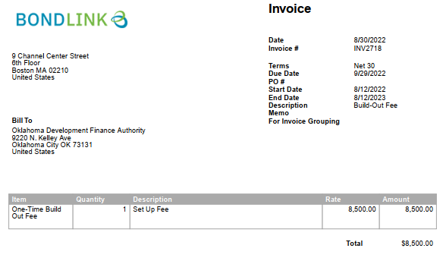

Internet Roadshow
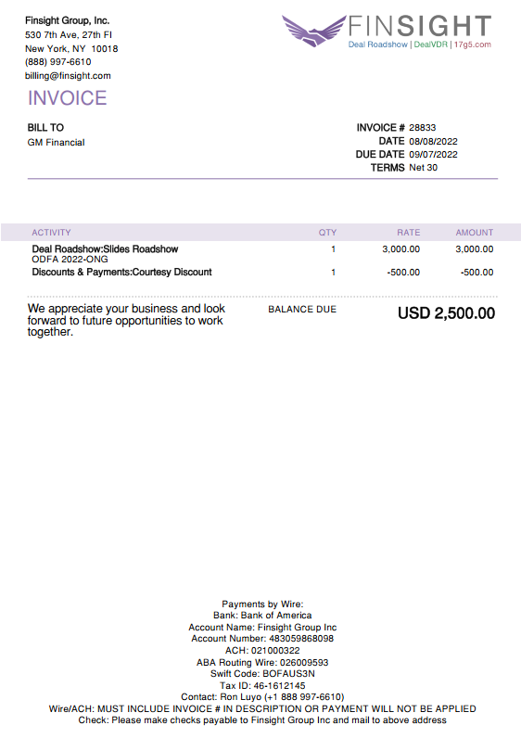
Description | Vendor Name | Invoice Amount
Internet Roadshow | FINSIGHT GROUP INC | $2,500.00

ONG Legal Fees
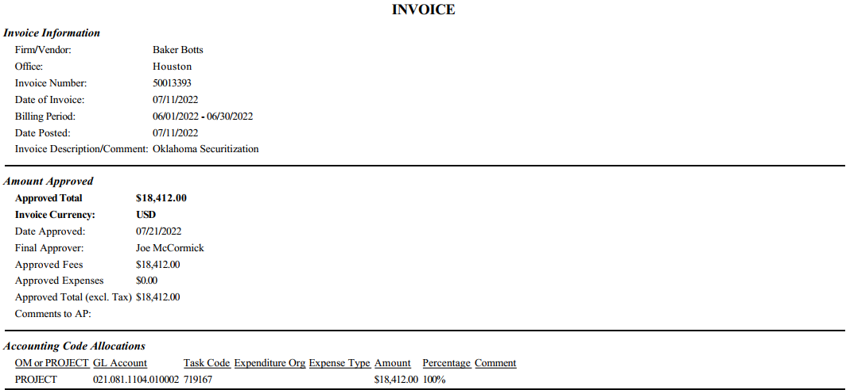
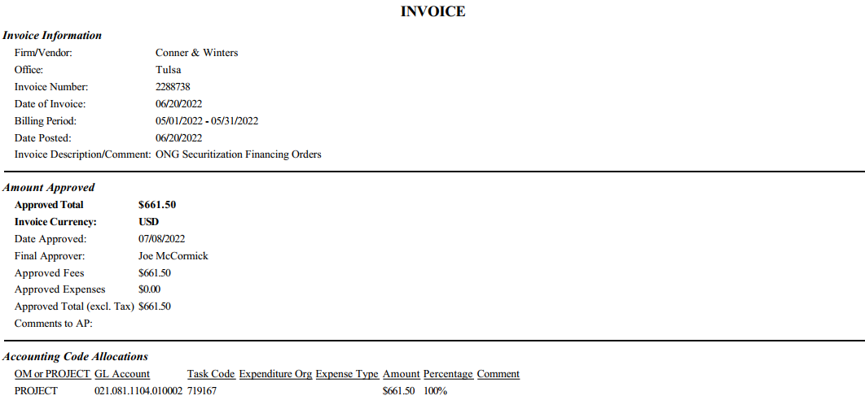
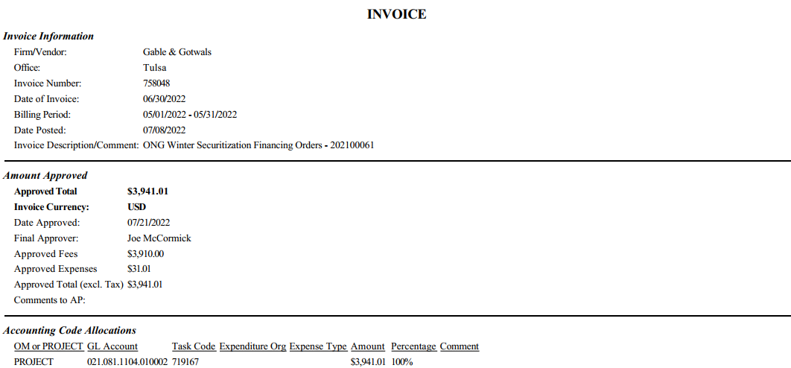
Description | Vendor Name | Invoice Amount
Utility’s Counsel Legal Fees and Expenses | BAKER BOTTS LLP | $18,412.00
Utility’s Counsel Legal Fees and Expenses | BAKER BOTTS LLP | 70,938.00
Utility’s Counsel Legal Fees and Expenses | BAKER BOTTS LLP | 85,106.00
Utility’s Counsel Legal Fees and Expenses | CONNER & WINTERS LLP | 661.50
Utility’s Counsel Legal Fees and Expenses | CONNER & WINTERS LLP | 8,922.00
Utility’s Counsel Legal Fees and Expenses | CONNER & WINTERS LLP | 10,369.50
Utility’s Counsel Legal Fees and Expenses | GABLEGOTWALS | 98.10
Utility’s Counsel Legal Fees and Expenses | GABLEGOTWALS | 327.00
Utility’s Counsel Legal Fees and Expenses | GABLEGOTWALS | 2,355.20
Utility’s Counsel Legal Fees and Expenses | GABLEGOTWALS | 2,997.20
Utility’s Counsel Legal Fees and Expenses | GABLEGOTWALS | 3,941.01
Utility’s Counsel Legal Fees and Expenses | GABLEGOTWALS | 4,279.60
Utility’s Counsel Legal Fees and Expenses | GABLEGOTWALS | 7,576.20
Utility’s Counsel Legal Fees and Expenses | GABLEGOTWALS | 50,000.00
 | Total | $265,983.31

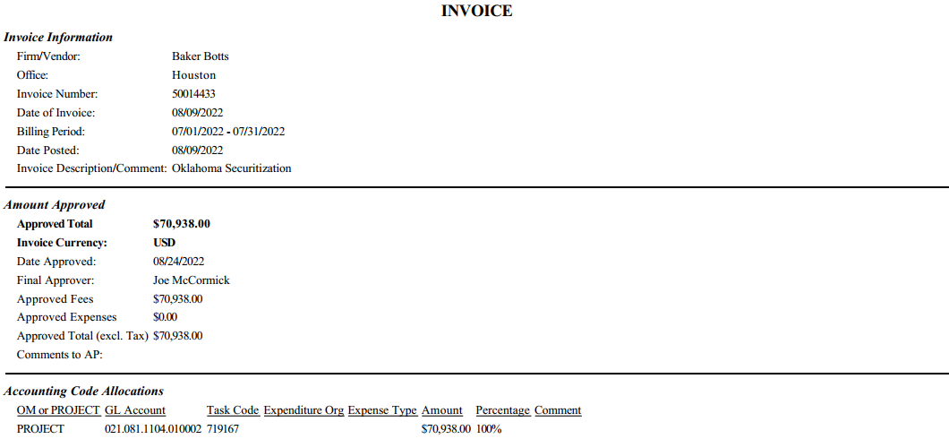
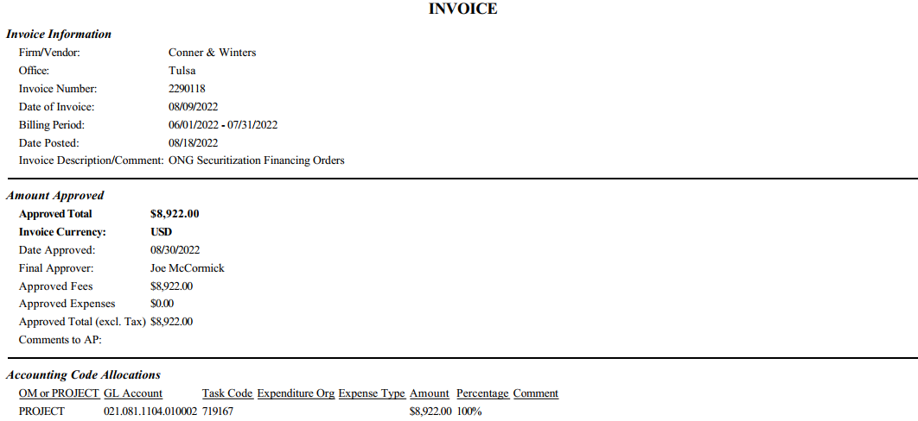
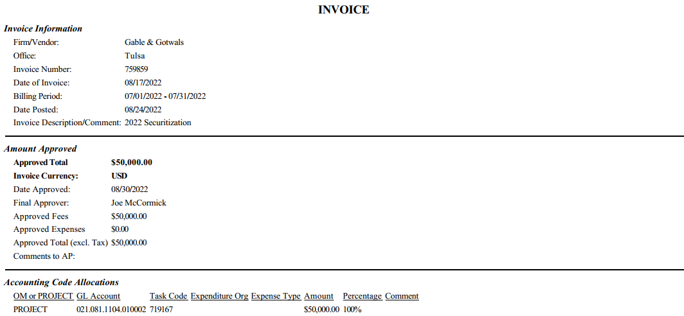

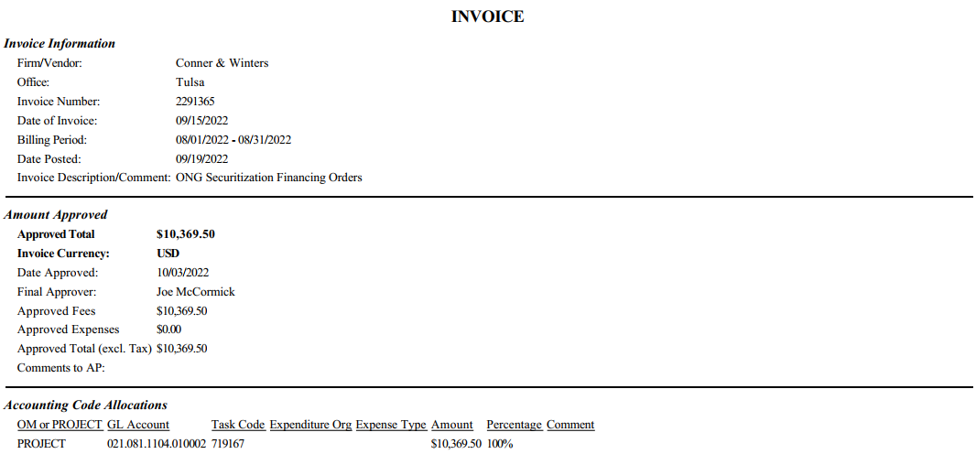
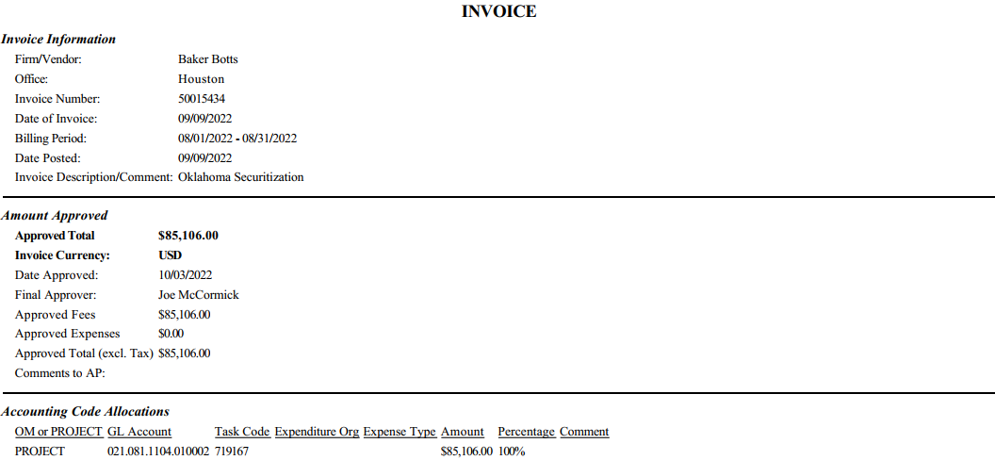

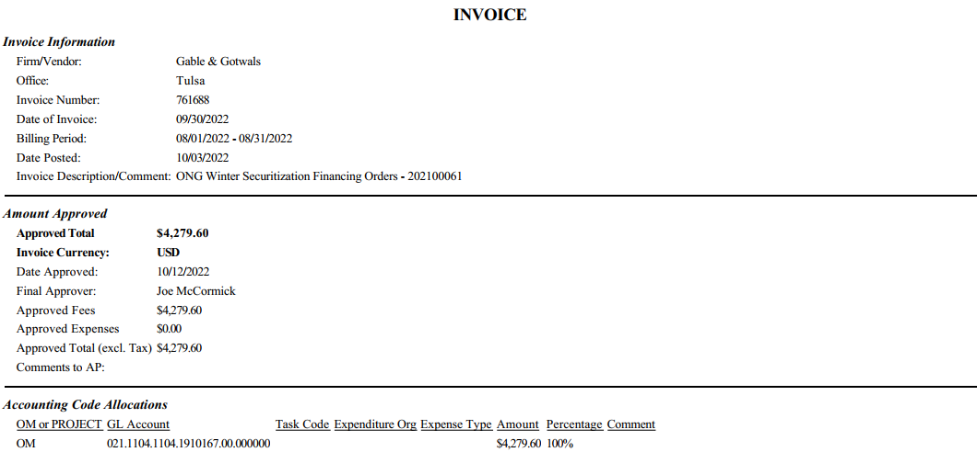

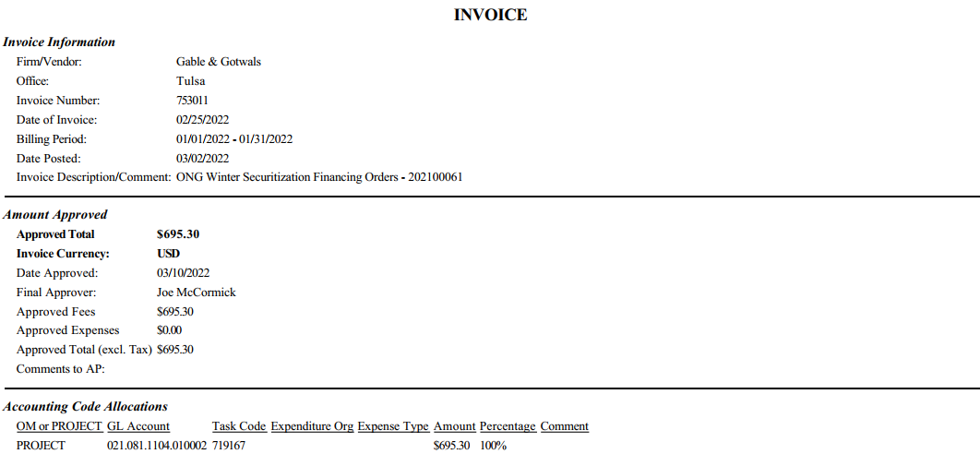

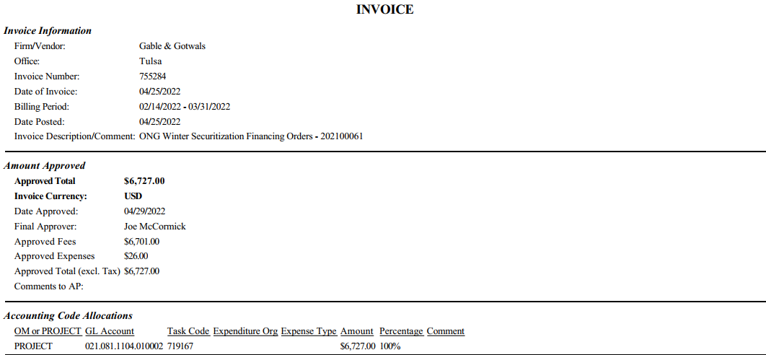

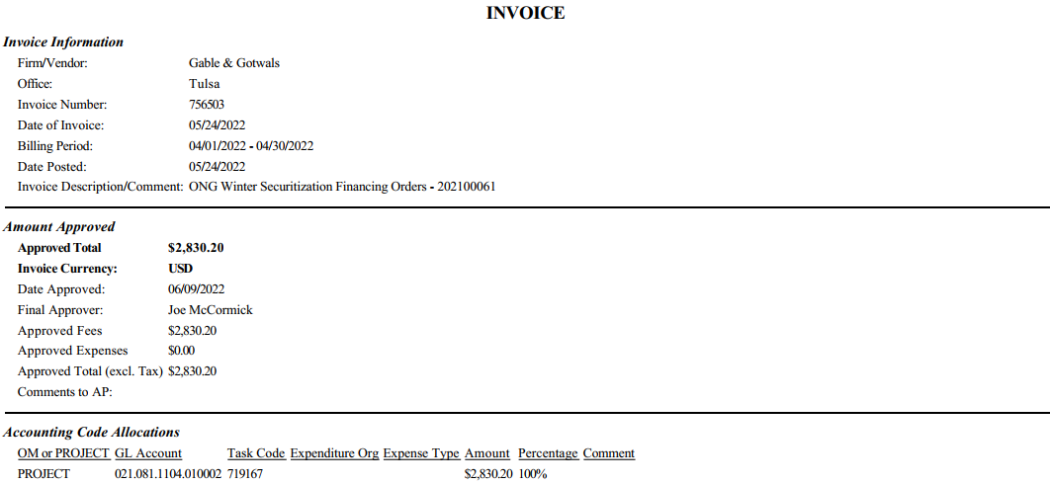

ONG Non Legal Fees
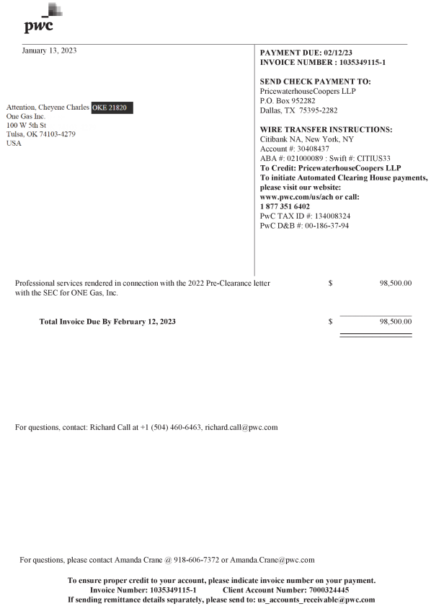
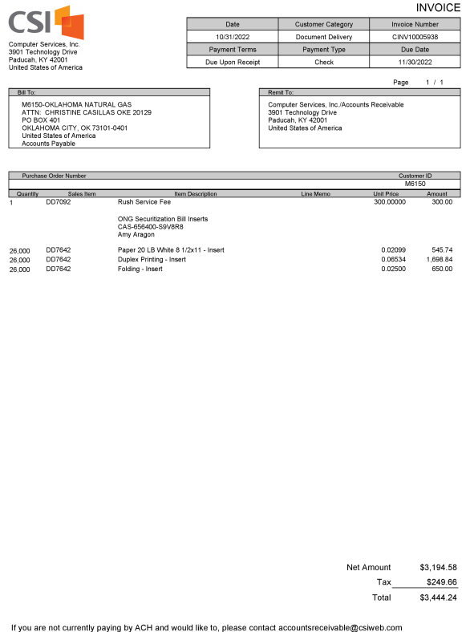
Description | Vendor Name | Invoice Amount
Utility’s Non-legal Securitization Proceeding Costs and Expenses | PRICEWATERHOUSE COOPERS LLP | $98,500.00
Utility’s Non-legal Securitization Proceeding Costs and Expenses | PRICEWATERHOUSE COOPERS LLP | 110,000.00
Utility’s Non-legal Securitization Proceeding Costs and Expenses | IMAGEMASTER LLC | 3,116.65
Printing - Estimated | DONNELLEY FINANCIAL LLC | 1,172.50
Printing - Estimated | COMPUTER SERVICES INC | 3,444.24
Internet Roadshow - Estimate | FINSIGHT GROUP INC | 2,500.00 | 6,641.74
Internet Roadshow - Estimate | FINSIGHT GROUP INC | (2,475.00)
Internet Roadshow - Estimate | IMAGEMASTER LLC | 2,000.00
 | Total | $218,258.39

