Servicer Certficate
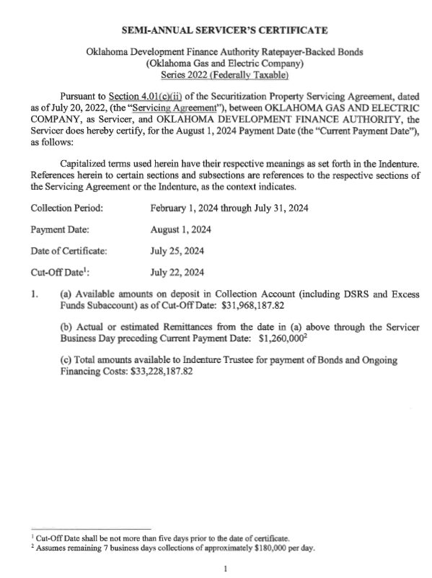
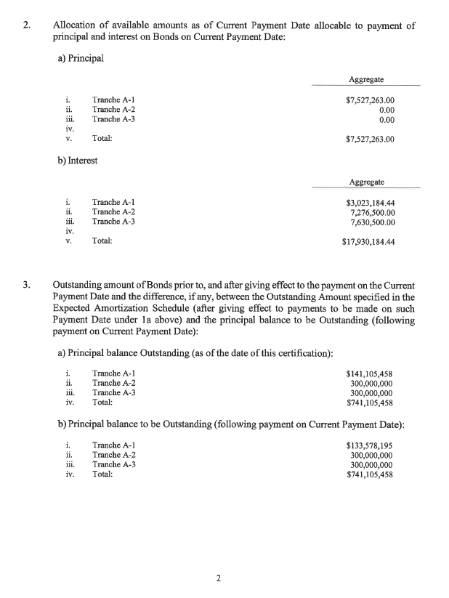
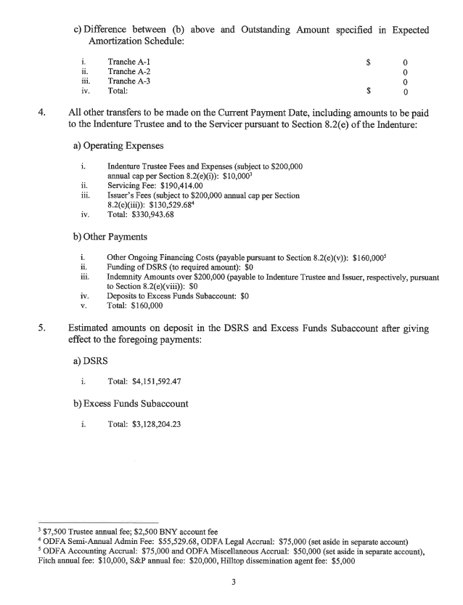
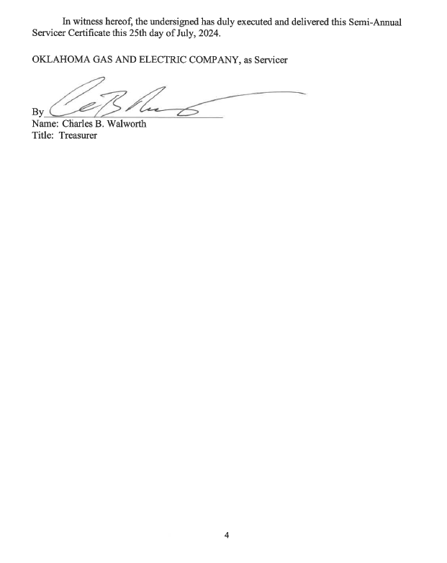

Reconciliation

Collection | 23,056,181
True-up period interest available | 1,358,376
Excess Funds Subaccount | 3,190,070
Interest from Excess Funds Subaccount | 211,955
Cost of Issuance Account (w/interest) | 12
Remaining July Estimate | 1,260,000
Debt Service Reserve Subaccount (w/interest) | 4,151,592 |  | pg. 3 of SC

Total Cash Available for Payment (w/DSRS) | 33,228,188 | pg. 1 (above)
less DSRS | (4,151,592) | Pg. 3 (above)

Cash Available (less DSRS) | 29,076,595 | * ties to amount included in factor calculation

Bond Payment | 25,457,447 | p.2
Semi-annual fees | 490,944 | p.3

Total required payment w/fees | 25,948,391 | * ties to amount included in factor calculation

Excess Funds Sub-account | 3,128,204 | p.3

Financing Order Reference
References from Financing Order

WES Mechanism (Exhibit A of Financing Order) |  |  | Adjustment Methodology (begins page 11 of Financing Order)
APPLICABILITY: This WES mechanism is applicable to and becomes a part of each Oklahoma retail rate schedule and shall be applicable to the energy (kWh) usage for service level (“SL”) 3, 4, and 5 customers and to blocks of energy (defined below in the STANDARD FACTOR DETERMINATION section) for SL 1 and 2 customers of each respective Oklahoma retail rate schedule. For service locations that received SL 1 or SL 2 service during the Weather Event, the WES mechanism shall continue to be applied to these service locations at those respective SL WES rates.
Adjustment Methodology: Each True-Up Letter and Non-Standard True-Up Letter (as described below), the forms of which are included as Exhibit D and Exhibit E, respectively, to this Financing Order, will calculate a revised WES Charge for the Bonds in accordance with the Adjustment Calculation Methodology appended as Exhibit B. Generally, the WES Charge will be calculated by the Servicer as follows:
Service Level Applicability

First, the Servicer will calculate the Periodic Payment Requirement for the next six-month period, or if shorter the period from the adjustment date to and including the next bond payment date, as well as the Periodic Payment Requirement (as defined below) for the next succeeding six month period ending on the following bond payment date (each, a “Payment Period”). The “Periodic Payment Requirement” or “PPR” covers all scheduled (or legally due) payments of principal (including, if any, prior scheduled but unpaid principal payments), interest, and other ongoing financing costs to be paid with WES Charge revenues during such Payment Period. The Periodic Billing Requirement will then be calculated, using the most recent information of the Servicer regarding write off, average days sales outstanding data or other collection data, to determine the amount of WES Charge revenue that must be billed during each Payment Period to ensure that sufficient WES Charge revenues will be received to satisfy the Periodic Payment Requirement for such Payment Period. Such amount is referred to as the “Periodic Billing Requirement” or “PBR.”
ALLOCATION: Costs associated with repaying the securitization bonds shall be allocated to customer SL classes based on the daily allocation of Winter Event cost and is shown in the table below. The Allocation Percentages below are based on the actual daily kWh usage for each retail SL class for the period of February 7, 2021 to February 21, 2021. For OG&E’s Flex Pricing (“FP”) and Day Ahead Pricing (“DAP”) customers, the customer baseline (“CBL”) kWh amounts are utilized for calculating the allocation percentages.
Allocation

STANDARD FACTOR DETERMINATION: WES rates will be computed and submitted to the Public Utility Division of the Oklahoma Corporation Commission (“PUD”) and all other parties of record in Oklahoma Corporation Commission (OCC) Cause No. PUD 202100072 on a semi-annual basis. In each semi-annual submission the Company will provide to PUD and the parties of record the redetermined WES rate, for each SL class, and information and workpapers supporting such re-determined factors. The initial WES rates will be submitted on the day following the pricing of the bonds and shall become effective the first billing cycle following the closing of the bonds. All succeeding factor redetermination submissions and effective dates will be semi-annual (every six months). WES rates will be submitted at least 30 days’ prior to the proposed effective date. The Public Utility Division shall endeavor to complete its review, which shall be limited to a review for mathematical corrections or manifest error, within 30 days and make any necessary corrections within such time in order to allow the WES charge to go into effect.
Timing & Frequency
Second, the PBR for each Payment Period is allocated among each customer class using the Energy Allocation Factor (described below) for Service Level (described below);
Third, the WES Charge for each Service Level for each Payment Period is determined by dividing each Service Level’s respective portion of the PBR for the Payment Period by their respective forecasted sales for the Payment Period; and
Finally, after such calculations are made, the WES Charge for each Service Level for the next Payment Period and the next succeeding Payment Period will be compared and the higher WES Charge will be the WES Charge effective for such Service Level on the next adjustment date.

A WES rate will be calculated for each SL class for the next two six-month recovery periods. The WES rate to be implemented for each SL class shall be the higher of these two calculations.
Calculation Methodology

CLASS REVENUE REQUIREMENT: The Revenue Requirement for the WES mechanism shall include the bond payment, associated financing fees (i.e., debt service and ongoing costs), the prior period over/under collected balance by class, and any uncollectible balances by class. The class over/under balances and class uncollectible balances are not exempt from reallocation to other classes as part of the reallocation treatment provided in the NON-STANDARD FACTOR DETERMINATION.
The Servicer will use its latest forecast of sales, as well as its latest write-off, days sales outstanding and other collection and delinquency experience to calculate the WES Charge.
Class Revenue Requirement

All true-up adjustments to the WES Charges will ensure the billing of WES Charges necessary to satisfy the Periodic Payment Requirement for the Bonds for each Payment Period during such 12-month period (or shorter period) following the adjustment date of the WES Charge. True-up adjustments will be based upon the cumulative differences, regardless of the reason, between the Periodic Payment Requirement and the actual amount of WES Charge collections remitted to the bond trustee for the Bonds.
CLASS REVENUE REQUIREMENT:
𝑊𝐸𝑆 𝑅𝑒𝑣𝑒𝑛𝑢𝑒 𝑅𝑒𝑞𝑢𝑖𝑟𝑒𝑚𝑒𝑛𝑡_{𝑆𝐿 𝐶𝑙𝑎𝑠𝑠} = (𝐴 ∗ _{𝐵𝑆𝐿 𝐶𝑙𝑎𝑠𝑠}) + 𝐶_{𝑆𝐿 𝐶𝑙𝑎𝑠𝑠}
Where:
A = Oklahoma Jurisdictional Winter Event revenue requirement (i.e., debt service and
ongoing costs) for the applicable six-month recovery period;
B = SL class Energy Allocator
C = SL class true-up balance and SL class uncollectible balance

TRANSMISSION (SL 1) and DISTRIBUTION SUBSTATION (SL 2) BILLING: The WES mechanism shall be applied to service locations based on the Service Level under which the service location took service during the Weather Event. Each service location shall be billed a monthly fixed charge for the mechanism. The monthly fixed charge shall be calculated as:
MBRi × Number of Blocks
Where
MBRi = Monthly Block Rate for SL class
= WES revenue requirement_{SL Class} / Blocks_{SL Class}
The Number of Blocks each service location shall be billed is calculated as: Event kWh / 100,000 kWh per Block
Where
Winter Event period kWh usage shall be CBL kWh for DAP and Flex Pricing customers and actual kWh usage for all other SL 1 and 2 customers.
Service locations whose Event kWh is less than 100,000 kWh, including customers who had no usage or zero Event kWh usage, and including any service locations new to OG&E after the Event, shall be deemed to have one (1) block for WES billing purposes.
Service Level 1 & 2 Billing

DISTRIBUTION (SL 3, 4, 5) BILLING: The billing factors for the SL 3, 4, and 5 customer classes shall be computed as follows:
WES revenue requirement_{SL Class} / SL Class kWh
Where, SL Class kWh are the projected sales for the applicable 6-month recovery period.
For customers who take service under the Company’s Net Energy Billing Option (NEBO) and Qualified Facilities (“QF”) schedules, the WES shall apply to the gross kWh of energy the Company delivers to the customers. For the DAP and FP customers, the WES rate will be calculated using the customer’s kWh energy specified in the CBL or Seasonal CBL defined in the DAP or FP tariffs. All DAP and FP kWh sales above or below the CBL will be excluded from the WES calculation. For all other rate schedules, the WES rate shall apply to the total billed kWh.
Service Level 3, 4 & 5 Billing

TRUE UP: The WES mechanism will true up and reconcile semiannually. OG&E shall periodically receive accounting information (i.e., debt service and other ongoing financing costs) from Oklahoma Development Finance Authority and utilize that updated accounting information to true-up and reconcile its semiannual adjustment of the factors. Any uncollectible WES Mechanism amounts incurred shall be recorded for each SL class and included for recovery in that SL class true-up calculation for the next factor redetermination.
True Up

PRICE: The WES rate for each SL shall be applied as shown in the table below.
Price/WES rate

 | TRANSMISSION (SL 1) and DISTRIBUTION SUBSTATION (SL 2):

 | Service Level | Monthly Block Rate ($/Block)
 | 1 | $XXX.XX
 | 2 | $XXX.XX

 | DISTRIBUTION PRIMARY (SL 3 & 4) and SECONDARY (SL 5):

 | Service Level | WESKWH Rate ($/kWh)
 | 3 | $0.XXXXX
 | 4 | $0.XXXXX
 | 5 | $0.XXXXX

