Introduction
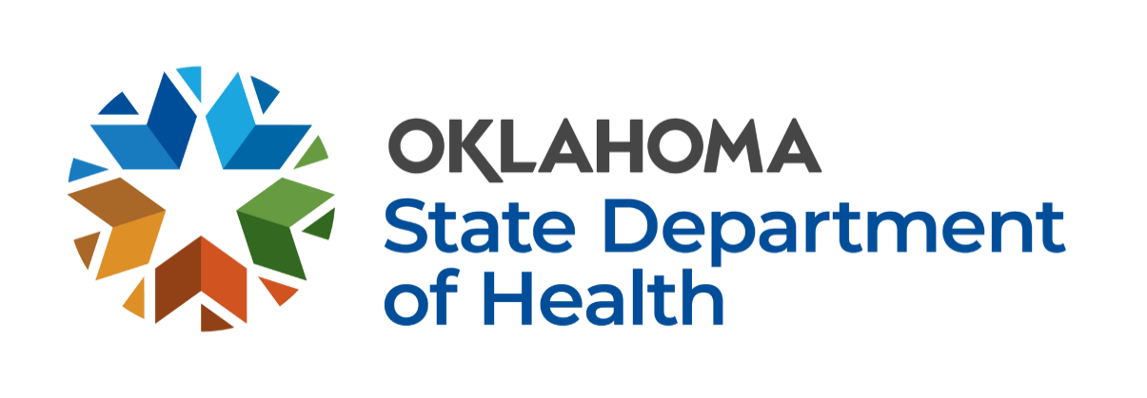

Each year, the Oklahoma State Department of Health (OSDH), in collaboration with the Oklahoma State Department of Education and schools throughout the state, conducts a survey to assess vaccination coverage and exemption status of chilrden enrolled in public and private kindergarten programs. This Microsoft Excel file contains the percent of children up-to-date for specific vaccinations and percent of children with an exemption on file during 2022-2023, 2021-2022, 2020-2021, 2019-2020, 2018-2019 and 2017-2018 school years. The cells within the spreadsheet are locked to protect the integrity of the data. The fields can still be filtered to look more closely at a particular school district, city, or county.

The purpose of the immunization survey is to measure vaccine compliance for all kindergarten students in Oklahoma enrolled in participating schools at the time the survey was completed during each school year. The survey measures up-to-date status for the six vaccines in the 4:3:2:3:2:1 series (i.e., diphtheria/tetanus/pertussis, polio, measles/mumps/rubella, hepatitis B, hepatitis A, and varicella). Vaccine-specific exemptions are also collected and stratified by medical and non-medical categories.

Although the survey is not mandatory, we encourage all schools with kindergarteners to particpate for a greater understanding of immunization rates/trends

Please refer to the full survey website for additional FAQs related to the survey and corresponding resources.

Legend (also listed below each spreadsheet):
* Denotes school reporting less than 10 kindergarteners enrolled. The data is withheld to protect student anonymity.
** Up to date for all vaccines is defined as 4 or 5 doses of DTaP, 3 or 4 doses of Polio, 2 or more doses of MMR, 3 or more doses of Hep B, 2 or more doses of Hep A, and 1 or more doses of Varicella administered according to recommended age and intervals.
***Exemption defined as documentation on file for a vaccine exemption to one or more antigens. There are three different types of exemptions: medical, religious, and personal.
****School name definitions: ES= Elementary School, PS= Public School, ECC= Early Childhood Center
NR = Non-responding school

If you have any additional questions specifically regarding the data file, please contact OSDH Acute Disease Service at (405) 426-8710.

If you have any additional questions regarding the Oklahoma kindergarten immunization survey, please contact OSDH Immunization Services at (405) 426-8580.

